1
Are there any countries with cities located at extreme latitudes, and how might this impact their climate?
 | Country | City | Max Latitude
 | Canada | Vancouver | 49.24966
 | United States | Seattle | 47.606209
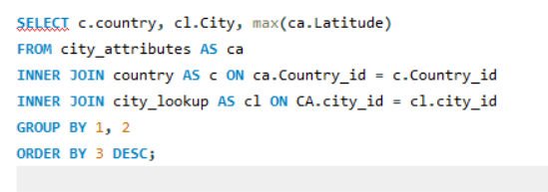
 | United States | Portland | 45.523449
 | Canada | Montreal | 45.508839
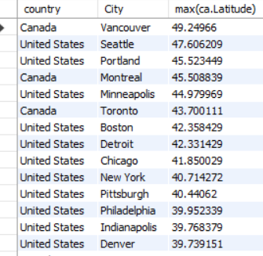
 | United States | Minneapolis | 44.979969
 | Canada | Toronto | 43.700111
 | United States | Boston | 42.358429
 | United States | Detroit | 42.331429
 | United States | Chicago | 41.850029
 | United States | New York | 40.714272
Conclusion :- High latitudes are located around the 60° magnetic latitude and above, while middle latitudes range between 50° and 60° magnetic latitude. Any region below the 50° magnetic latitude falls under the category of low latitude.
As altitude increases, the climate becomes colder.
This occurs because the air at higher elevations is less dense and holds less moisture, making it harder to retain heat.
 | United States | Pittsburgh | 40.44062
 | United States | Philadelphia | 39.952339
 | United States | Indianapolis | 39.768379
 | United States | Denver | 39.739151
 | United States | Kansas City | 39.099731
 | United States | Saint Louis | 38.62727
 | United States | San Francisco | 37.774929
 | United States | Las Vegas | 36.174969
 | United States | Nashville | 36.16589
 | United States | Charlotte | 35.227089
 | United States | Albuquerque | 35.084492
 | United States | Los Angeles | 34.052231
 | United States | Atlanta | 33.749001
 | United States | Phoenix | 33.44838
 | Israel | Nahariyya | 33.005859
 | Israel | Haifa | 32.815559
 | United States | Dallas | 32.783058
 | United States | San Diego | 32.715328
 | Israel | Tel Aviv District | 32.083328
 | Israel | Jerusalem | 31.769039
 | Israel | Beersheba | 31.25181
 | United States | Jacksonville | 30.33218
 | United States | Houston | 29.763281
 | Israel | Eilat | 29.55805
 | United States | San Antonio | 29.42412
 | United States | Miami | 25.774269

2
Can you identify any clusters of cities with similar latitude and longitude values? What factors might explain these clusters? |  |  | cluster_id | city_name | latitude | longitude | latitude_range | longitude_range
 |  |  | 1 | Beersheba | 31.25181 | 34.791302 | 30 - 35 | 30 - 35
 |  |  | 1 | Eilat | 29.55805 | 34.948212 | 25 - 30 | 30 - 35
 |  |  | 1 | Houston | 29.763281 | -95.363274 | 25 - 30 | -5
 |  |  | 1 | Jacksonville | 30.33218 | -81.655647 | 30 - 35 | -5
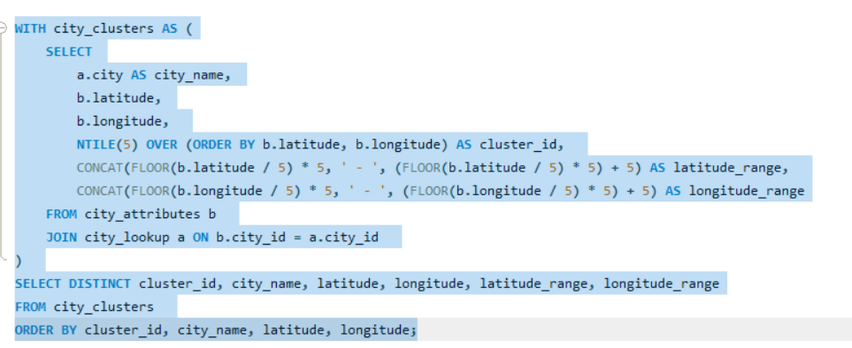
Count of city_name by latitude_range
 |  |  | 1 | Jerusalem | 31.769039 | 35.216331 | 30 - 35 | 35 - 40
 |  |  | 1 | Miami | 25.774269 | -80.193657 | 25 - 30 | -5
 |  |  | 1 | San Antonio | 29.42412 | -98.493629 | 25 - 30 | -5
 |  |  | 1 | Tel Aviv District | 32.083328 | 34.799999 | 30 - 35 | 30 - 35
 |  |  | 2 | Atlanta | 33.749001 | -84.387978 | 30 - 35 | -5
 |  |  | 2 | Dallas | 32.783058 | -96.806671 | 30 - 35 | -5
 |  |  | 2 | Haifa | 32.815559 | 34.98917 | 30 - 35 | 30 - 35
 |  |  | 2 | Los Angeles | 34.052231 | -118.243683 | 30 - 35 | -5
 |  |  | 2 | Nahariyya | 33.005859 | 35.09409 | 30 - 35 | 35 - 40
 |  |  | 2 | Phoenix | 33.44838 | -112.074043 | 30 - 35 | -5
 |  |  | 2 | San Diego | 32.715328 | -117.157257 | 30 - 35 | -5
 |  |  | 3 | Albuquerque | 35.084492 | -106.651138 | 35 - 40 | -5
 |  |  | 3 | Charlotte | 35.227089 | -80.843132 | 35 - 40 | -5
Note :- In this analysis, we have added two additional columns: Range - Latitude and Range - Longitude to enhance clustering.
Data is grouped based on a 5° variation in latitude and longitude.
From the analysis, we observe that cities with similar latitudes and longitudes tend to have comparable humidity, pressure, temperature, and wind speed.
 |  |  | 3 | Kansas City | 39.099731 | -94.578568 | 35 - 40 | -5
 | latitude_range | Count of city_name | 3 | Las Vegas | 36.174969 | -115.137222 | 35 - 40 | -5
 | 25 - 30 | 4 | 3 | Nashville | 36.16589 | -86.784439 | 35 - 40 | -5
 | 30 - 35 | 11 | 3 | Saint Louis | 38.62727 | -90.197891 | 35 - 40 | -5
 | 35 - 40 | 10 | 3 | San Francisco | 37.774929 | -122.419418 | 35 - 40 | -5
 | 40 - 45 | 7 | 4 | Chicago | 41.850029 | -87.650047 | 40 - 45 | -5
 | 45 - 50 | 4 | 4 | Denver | 39.739151 | -104.984703 | 35 - 40 | -5
 |  |  | 4 | Detroit | 42.331429 | -83.045753 | 40 - 45 | -5
 |  |  | 4 | Indianapolis | 39.768379 | -86.158043 | 35 - 40 | -5
 |  |  | 4 | New York | 40.714272 | -74.005966 | 40 - 45 | -5
 |  |  | 4 | Philadelphia | 39.952339 | -75.163788 | 35 - 40 | -5
 |  |  | 4 | Pittsburgh | 40.44062 | -79.995888 | 40 - 45 | -5
 |  |  | 5 | Boston | 42.358429 | -71.059769 | 40 - 45 | -5
 |  |  | 5 | Minneapolis | 44.979969 | -93.26384 | 40 - 45 | -5
 |  |  | 5 | Montreal | 45.508839 | -73.587807 | 45 - 50 | -5
 |  |  | 5 | Portland | 45.523449 | -122.676208 | 45 - 50 | -5
 |  |  | 5 | Seattle | 47.606209 | -122.332069 | 45 - 50 | -5
 |  |  | 5 | Toronto | 43.700111 | -79.416298 | 40 - 45 | -5
 |  |  | 5 | Vancouver | 49.24966 | -123.119339 | 45 - 50 | -5

3
lat_temp_correlation | lat_humidity_correlation | lon_temp_correlation | lon_humidity_correlation
0.11692754439 | -0.43014435632 | 0.067134932268 | 0.20575534313
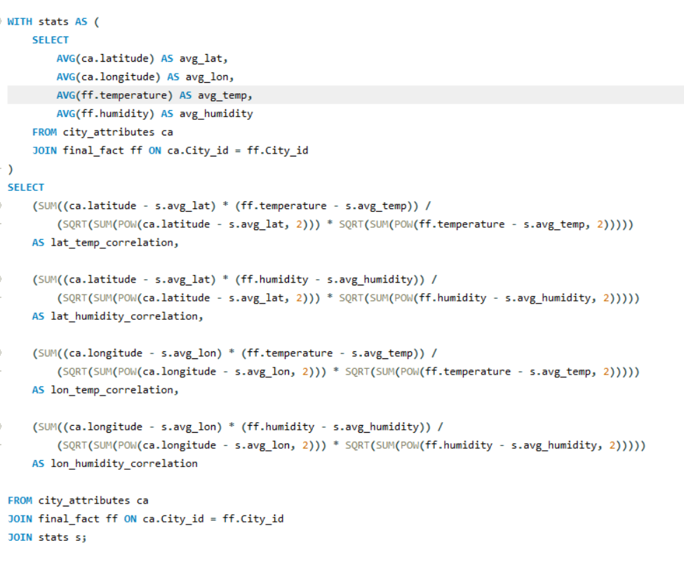

Conclusion : Based on the analysis, cities located at higher latitudes typically experience lower temperatures, whereas lower latitudes tend to have higher temperatures. However, humidity levels are generally higher in coastal regions

4
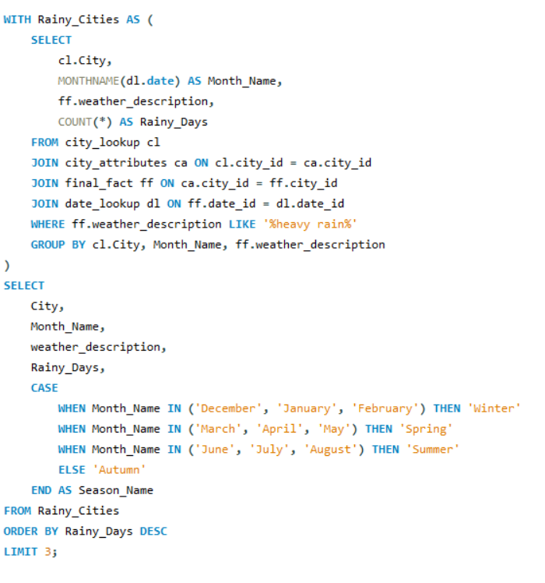
 | Albuquerque | Atlanta | Boston | Charlotte | Chicago | Dallas | Denver | Detroit | Haifa | Houston | Indianapolis | Jacksonville
Autumn | 2 | 2 | 3 | 4 | 5 | 4 |  | 3 | 1 | 6 | 1 | 4
Spring | 1 | 2 | 1 | 3 | 4 | 6 | 3 | 3 |  | 4 | 3 | 3
Summer | 1 | 3 | 5 | 6 | 6 | 4 | 5 | 3 |  | 5 | 6 | 2
Winter |  | 4 | 2 | 4 | 3 | 4 | 2 |  | 1 | 4 | 1 | 3
Identify the top three cities with the most frequent occurrence of rainy weather based on weather descriptions. What are the seasonal patterns? | City | Month_Name | weather_description | Rainy_Days | Season_Name
 | New York | June | very heavy rain | 73 | Summer
 | Vancouver | March | very heavy rain | 37 | Spring
 | Houston | June | very heavy rain | 33 | Summer | Count of weather_description | Column Labels
 | Dallas | May | very heavy rain | 28 | Spring | Row Labels | Albuquerque | Atlanta | Boston | Charlotte | Chicago | Dallas | Denver | Detroit | Haifa | Houston | Indianapolis | Jacksonville | Jerusalem | Kansas City | Las Vegas | Los Angeles | Miami | Minneapolis | Montreal | Nahariyya | Nashville | New York | Philadelphia | Phoenix | Pittsburgh | Portland | Saint Louis | San Antonio | San Diego | San Francisco | Seattle | Tel Aviv District | Toronto | Vancouver
 | Dallas | October | very heavy rain | 24 | Autumn | Autumn | 2 | 2 | 3 | 4 | 5 | 4 |  | 3 | 1 | 6 | 1 | 4 |  | 3 | 1 |  | 4 | 2 | 1 | 1 | 4 | 2 | 1 | 1 | 1 | 2 | 3 | 4 |  | 2 | 2 |  | 2 | 4
 | San Antonio | May | very heavy rain | 23 | Spring | Spring | 1 | 2 | 1 | 3 | 4 | 6 | 3 | 3 |  | 4 | 3 | 3 |  | 4 |  | 1 | 3 | 2 | 1 |  | 5 | 4 | 4 | 1 |  | 2 | 4 | 3 | 2 | 4 | 1 | 1 | 3 | 4
 | Atlanta | December | very heavy rain | 22 | Winter | Summer | 1 | 3 | 5 | 6 | 6 | 4 | 5 | 3 |  | 5 | 6 | 2 |  | 4 | 3 | 1 | 6 | 6 | 5 |  | 4 | 4 | 5 | 3 | 4 | 2 | 6 | 4 |  | 3 | 2 |  | 6 | 3
 | Nashville | October | very heavy rain | 22 | Autumn | Winter |  | 4 | 2 | 4 | 3 | 4 | 2 |  | 1 | 4 | 1 | 3 | 1 |  |  | 3 | 4 | 1 | 1 | 1 | 2 |  | 2 | 1 |  | 1 | 3 |  | 1 | 5 | 1 | 3 | 1 | 3
 | Nashville | September | very heavy rain | 22 | Autumn | Grand Total | 4 | 11 | 11 | 17 | 18 | 18 | 10 | 9 | 2 | 19 | 11 | 12 | 1 | 11 | 4 | 5 | 17 | 11 | 8 | 2 | 15 | 10 | 12 | 6 | 5 | 7 | 16 | 11 | 3 | 14 | 6 | 4 | 12 | 14
 | Nashville | August | very heavy rain | 20 | Summer
 | Minneapolis | June | very heavy rain | 20 | Summer
 | Kansas City | May | very heavy rain | 20 | Spring
 | Indianapolis | October | very heavy rain | 19 | Autumn |  |  |  | San Antonio | May | very heavy rain | 23 | Spring
 | Jacksonville | September | very heavy rain | 16 | Autumn |  |  |  | Atlanta | December | very heavy rain | 22 | Winter
 | Vancouver | May | very heavy rain | 16 | Spring |  |  |  | Nashville | October | very heavy rain | 22 | Autumn
 | San Antonio | October | very heavy rain | 16 | Autumn
Conclusion : The weather patterns vary across seasons, with Seattle, Vancouver, and San Francisco showing the highest variations in weather descriptions. Summer and winter have more diverse weather conditions compared to spring and autumn.
 | Vancouver | June | very heavy rain | 15 | Summer
 | Seattle | January | very heavy rain | 15 | Winter
 | Boston | October | very heavy rain | 15 | Autumn
 | Houston | December | very heavy rain | 15 | Winter
 | Vancouver | November | very heavy rain | 15 | Autumn
 | Nashville | April | very heavy rain | 15 | Spring
 | Houston | October | very heavy rain | 14 | Autumn
 | New York | May | very heavy rain | 14 | Spring
 | Philadelphia | April | very heavy rain | 13 | Spring
 | San Antonio | June | very heavy rain | 13 | Summer
 | Dallas | June | very heavy rain | 13 | Summer
 | Denver | May | very heavy rain | 13 | Spring
 | Charlotte | June | very heavy rain | 13 | Summer
 | Portland | December | very heavy rain | 12 | Winter
 | Denver | March | very heavy rain | 12 | Spring
 | Charlotte | April | very heavy rain | 12 | Spring
 | Los Angeles | December | very heavy rain | 12 | Winter
 | Toronto | September | very heavy rain | 11 | Autumn
 | Vancouver | December | very heavy rain | 10 | Winter
 | Boston | June | very heavy rain | 10 | Summer
 | Nashville | May | very heavy rain | 9 | Spring
 | Kansas City | June | very heavy rain | 9 | Summer
 | Indianapolis | August | very heavy rain | 9 | Summer
 | Vancouver | January | very heavy rain | 9 | Winter
 | Albuquerque | September | very heavy rain | 9 | Autumn
 | Minneapolis | July | thunderstorm with heavy rain | 8 | Summer
 | Toronto | June | very heavy rain | 8 | Summer
 | Chicago | October | very heavy rain | 8 | Autumn
 | San Antonio | May | thunderstorm with heavy rain | 8 | Spring
 | Indianapolis | June | very heavy rain | 8 | Summer
 | Phoenix | December | very heavy rain | 8 | Winter
 | Atlanta | November | very heavy rain | 7 | Autumn
 | Philadelphia | June | very heavy rain | 7 | Summer
 | Charlotte | September | very heavy rain | 7 | Autumn
 | Miami | January | very heavy rain | 7 | Winter
 | San Francisco | December | very heavy rain | 7 | Winter
 | Chicago | June | very heavy rain | 7 | Summer
 | Toronto | January | very heavy rain | 6 | Winter
 | Houston | June | thunderstorm with heavy rain | 6 | Summer
 | Charlotte | May | thunderstorm with heavy rain | 6 | Spring
 | Saint Louis | July | thunderstorm with heavy rain | 6 | Summer
 | Toronto | August | very heavy rain | 6 | Summer
 | Boston | December | very heavy rain | 6 | Winter
 | Minneapolis | August | thunderstorm with heavy rain | 6 | Summer
 | Indianapolis | July | thunderstorm with heavy rain | 6 | Summer
 | Pittsburgh | July | very heavy rain | 6 | Summer
 | Chicago | May | very heavy rain | 5 | Spring
 | Jacksonville | June | thunderstorm with heavy rain | 5 | Summer
 | Charlotte | October | very heavy rain | 5 | Autumn
 | San Antonio | June | thunderstorm with heavy rain | 5 | Summer
 | Charlotte | July | thunderstorm with heavy rain | 5 | Summer
 | Toronto | May | very heavy rain | 5 | Spring
 | Philadelphia | May | very heavy rain | 5 | Spring
 | Atlanta | December | thunderstorm with heavy rain | 5 | Winter
 | Miami | May | thunderstorm with heavy rain | 5 | Spring
 | San Francisco | June | thunderstorm with heavy rain | 5 | Summer
 | Detroit | July | thunderstorm with heavy rain | 5 | Summer
 | Chicago | July | thunderstorm with heavy rain | 5 | Summer
 | Dallas | May | thunderstorm with heavy rain | 5 | Spring
 | Kansas City | August | thunderstorm with heavy rain | 5 | Summer
 | Tel Aviv District | December | thunderstorm with heavy rain | 5 | Winter
 | Phoenix | March | very heavy rain | 5 | Spring
 | Nashville | February | very heavy rain | 5 | Winter
 | Jerusalem | December | thunderstorm with heavy rain | 5 | Winter
 | San Francisco | December | thunderstorm with heavy rain | 4 | Winter
 | Atlanta | August | thunderstorm with heavy rain | 4 | Summer
 | Saint Louis | March | thunderstorm with heavy rain | 4 | Spring
 | Chicago | February | very heavy rain | 4 | Winter
 | New York | July | thunderstorm with heavy rain | 4 | Summer
 | Minneapolis | June | thunderstorm with heavy rain | 4 | Summer
 | Saint Louis | April | very heavy rain | 4 | Spring
 | San Diego | March | very heavy rain | 4 | Spring
 | Chicago | August | very heavy rain | 4 | Summer
 | Houston | February | very heavy rain | 4 | Winter
 | Saint Louis | May | thunderstorm with heavy rain | 4 | Spring
 | Miami | April | very heavy rain | 4 | Spring
 | Albuquerque | July | thunderstorm with heavy rain | 4 | Summer
 | Boston | July | very heavy rain | 4 | Summer
 | Jacksonville | July | thunderstorm with heavy rain | 4 | Summer
 | Detroit | August | thunderstorm with heavy rain | 4 | Summer
 | Charlotte | June | thunderstorm with heavy rain | 4 | Summer
 | Pittsburgh | July | thunderstorm with heavy rain | 4 | Summer
 | Saint Louis | August | very heavy rain | 4 | Summer
 | Phoenix | July | thunderstorm with heavy rain | 4 | Summer
 | Houston | July | thunderstorm with heavy rain | 4 | Summer
 | Miami | July | thunderstorm with heavy rain | 4 | Summer
 | Houston | May | very heavy rain | 4 | Spring
 | San Antonio | August | thunderstorm with heavy rain | 4 | Summer
 | Minneapolis | May | thunderstorm with heavy rain | 4 | Spring
 | Saint Louis | November | thunderstorm with heavy rain | 4 | Autumn
 | Denver | April | very heavy rain | 4 | Spring
 | Minneapolis | August | very heavy rain | 4 | Summer
 | Nashville | June | very heavy rain | 4 | Summer
 | Los Angeles | February | very heavy rain | 4 | Winter
 | San Francisco | August | thunderstorm with heavy rain | 4 | Summer
 | Los Angeles | January | very heavy rain | 4 | Winter
 | Dallas | November | very heavy rain | 4 | Autumn
 | Houston | August | very heavy rain | 4 | Summer
 | Jacksonville | October | very heavy rain | 4 | Autumn
 | Vancouver | February | very heavy rain | 4 | Winter
 | Houston | October | thunderstorm with heavy rain | 3 | Autumn
 | Miami | October | thunderstorm with heavy rain | 3 | Autumn
 | Miami | August | thunderstorm with heavy rain | 3 | Summer
 | Montreal | August | thunderstorm with heavy rain | 3 | Summer
 | Toronto | May | thunderstorm with heavy rain | 3 | Spring
 | Miami | August | very heavy rain | 3 | Summer
 | Toronto | August | thunderstorm with heavy rain | 3 | Summer
 | Saint Louis | September | thunderstorm with heavy rain | 3 | Autumn
 | Philadelphia | August | thunderstorm with heavy rain | 3 | Summer
 | Toronto | July | very heavy rain | 3 | Summer
 | Albuquerque | September | thunderstorm with heavy rain | 3 | Autumn
 | Atlanta | February | thunderstorm with heavy rain | 3 | Winter
 | Philadelphia | June | thunderstorm with heavy rain | 3 | Summer
 | Dallas | March | very heavy rain | 3 | Spring
 | Atlanta | May | thunderstorm with heavy rain | 3 | Spring
 | Denver | August | thunderstorm with heavy rain | 3 | Summer
 | San Francisco | July | thunderstorm with heavy rain | 3 | Summer
 | Indianapolis | June | thunderstorm with heavy rain | 3 | Summer
 | Chicago | September | thunderstorm with heavy rain | 3 | Autumn
 | New York | April | very heavy rain | 3 | Spring
 | San Francisco | March | thunderstorm with heavy rain | 3 | Spring
 | Chicago | August | thunderstorm with heavy rain | 3 | Summer
 | New York | August | thunderstorm with heavy rain | 3 | Summer
 | Charlotte | December | very heavy rain | 3 | Winter
 | Las Vegas | July | thunderstorm with heavy rain | 3 | Summer
 | Albuquerque | April | very heavy rain | 3 | Spring
 | Miami | July | very heavy rain | 3 | Summer
 | Saint Louis | April | thunderstorm with heavy rain | 3 | Spring
 | Philadelphia | July | thunderstorm with heavy rain | 3 | Summer
 | Toronto | July | thunderstorm with heavy rain | 3 | Summer
 | Portland | September | very heavy rain | 3 | Autumn
 | Pittsburgh | June | very heavy rain | 3 | Summer
 | Saint Louis | June | thunderstorm with heavy rain | 3 | Summer
 | Indianapolis | April | thunderstorm with heavy rain | 3 | Spring
 | Charlotte | January | very heavy rain | 3 | Winter
 | Charlotte | February | very heavy rain | 3 | Winter
 | Houston | August | thunderstorm with heavy rain | 3 | Summer
 | Saint Louis | December | thunderstorm with heavy rain | 3 | Winter
 | Charlotte | November | very heavy rain | 3 | Autumn
 | San Antonio | October | thunderstorm with heavy rain | 2 | Autumn
 | Portland | April | very heavy rain | 2 | Spring
 | San Antonio | April | thunderstorm with heavy rain | 2 | Spring
 | Boston | September | thunderstorm with heavy rain | 2 | Autumn
 | New York | May | thunderstorm with heavy rain | 2 | Spring
 | Houston | November | very heavy rain | 2 | Autumn
 | Nashville | March | thunderstorm with heavy rain | 2 | Spring
 | Boston | June | thunderstorm with heavy rain | 2 | Summer
 | Portland | May | very heavy rain | 2 | Spring
 | Denver | August | very heavy rain | 2 | Summer
 | Detroit | April | thunderstorm with heavy rain | 2 | Spring
 | Charlotte | August | thunderstorm with heavy rain | 2 | Summer
 | New York | June | thunderstorm with heavy rain | 2 | Summer
 | Toronto | April | very heavy rain | 2 | Spring
 | Chicago | January | very heavy rain | 2 | Winter
 | Jacksonville | April | thunderstorm with heavy rain | 2 | Spring
 | Montreal | July | thunderstorm with heavy rain | 2 | Summer
 | Chicago | June | thunderstorm with heavy rain | 2 | Summer
 | Saint Louis | July | very heavy rain | 2 | Summer
 | Philadelphia | March | very heavy rain | 2 | Spring
 | Portland | August | very heavy rain | 2 | Summer
 | Nashville | July | thunderstorm with heavy rain | 2 | Summer
 | Jacksonville | January | thunderstorm with heavy rain | 2 | Winter
 | Philadelphia | March | thunderstorm with heavy rain | 2 | Spring
 | Miami | September | thunderstorm with heavy rain | 2 | Autumn
 | Houston | May | thunderstorm with heavy rain | 2 | Spring
 | Miami | June | thunderstorm with heavy rain | 2 | Summer
 | Nashville | July | very heavy rain | 2 | Summer
 | Vancouver | September | very heavy rain | 2 | Autumn
 | Chicago | April | thunderstorm with heavy rain | 2 | Spring
 | San Diego | April | very heavy rain | 2 | Spring
 | Houston | March | very heavy rain | 2 | Spring
 | Miami | September | very heavy rain | 2 | Autumn
 | Dallas | December | very heavy rain | 2 | Winter
 | Pittsburgh | August | thunderstorm with heavy rain | 2 | Summer
 | Saint Louis | August | thunderstorm with heavy rain | 2 | Summer
 | Chicago | May | thunderstorm with heavy rain | 2 | Spring
 | Dallas | November | thunderstorm with heavy rain | 2 | Autumn
 | Indianapolis | May | thunderstorm with heavy rain | 2 | Spring
 | Denver | June | thunderstorm with heavy rain | 2 | Summer
 | Houston | September | thunderstorm with heavy rain | 2 | Autumn
 | Vancouver | September | thunderstorm with heavy rain | 2 | Autumn
 | Houston | November | thunderstorm with heavy rain | 2 | Autumn
 | Saint Louis | June | very heavy rain | 2 | Summer
 | Kansas City | May | thunderstorm with heavy rain | 2 | Spring
 | Dallas | April | thunderstorm with heavy rain | 2 | Spring
 | Houston | April | thunderstorm with heavy rain | 2 | Spring
 | Kansas City | March | thunderstorm with heavy rain | 2 | Spring
 | Charlotte | July | very heavy rain | 2 | Summer
 | San Francisco | February | very heavy rain | 2 | Winter
 | New York | November | very heavy rain | 2 | Autumn
 | Vancouver | July | very heavy rain | 2 | Summer
 | New York | October | very heavy rain | 2 | Autumn
 | Chicago | September | very heavy rain | 2 | Autumn
 | Chicago | March | very heavy rain | 2 | Spring
 | Minneapolis | October | thunderstorm with heavy rain | 2 | Autumn
 | Charlotte | April | thunderstorm with heavy rain | 2 | Spring
 | Detroit | June | very heavy rain | 2 | Summer
 | Atlanta | June | thunderstorm with heavy rain | 2 | Summer
 | San Francisco | October | thunderstorm with heavy rain | 1 | Autumn
 | Houston | September | very heavy rain | 1 | Autumn
 | Indianapolis | August | thunderstorm with heavy rain | 1 | Summer
 | Boston | January | very heavy rain | 1 | Winter
 | Dallas | October | thunderstorm with heavy rain | 1 | Autumn
 | San Francisco | May | thunderstorm with heavy rain | 1 | Spring
 | Dallas | April | very heavy rain | 1 | Spring
 | Atlanta | January | very heavy rain | 1 | Winter
 | Philadelphia | July | very heavy rain | 1 | Summer
 | Boston | May | very heavy rain | 1 | Spring
 | Kansas City | September | thunderstorm with heavy rain | 1 | Autumn
 | Minneapolis | July | very heavy rain | 1 | Summer
 | Chicago | February | thunderstorm with heavy rain | 1 | Winter
 | Nahariyya | October | thunderstorm with heavy rain | 1 | Autumn
 | Miami | January | thunderstorm with heavy rain | 1 | Winter
 | San Antonio | September | very heavy rain | 1 | Autumn
 | Miami | November | thunderstorm with heavy rain | 1 | Autumn
 | Denver | June | very heavy rain | 1 | Summer
 | Jacksonville | November | thunderstorm with heavy rain | 1 | Autumn
 | Montreal | September | very heavy rain | 1 | Autumn
 | Charlotte | September | thunderstorm with heavy rain | 1 | Autumn
 | San Francisco | April | thunderstorm with heavy rain | 1 | Spring
 | Seattle | November | very heavy rain | 1 | Autumn
 | New York | March | thunderstorm with heavy rain | 1 | Spring
 | Seattle | May | very heavy rain | 1 | Spring
 | Dallas | June | thunderstorm with heavy rain | 1 | Summer
 | Vancouver | April | very heavy rain | 1 | Spring
 | San Francisco | January | very heavy rain | 1 | Winter
 | Boston | September | very heavy rain | 1 | Autumn
 | Denver | December | very heavy rain | 1 | Winter
 | Boston | July | thunderstorm with heavy rain | 1 | Summer
 | Dallas | December | thunderstorm with heavy rain | 1 | Winter
 | Jacksonville | March | thunderstorm with heavy rain | 1 | Spring
 | Detroit | September | very heavy rain | 1 | Autumn
 | Miami | May | very heavy rain | 1 | Spring
 | Los Angeles | July | thunderstorm with heavy rain | 1 | Summer
 | Jacksonville | September | thunderstorm with heavy rain | 1 | Autumn
 | Kansas City | July | thunderstorm with heavy rain | 1 | Summer
 | Seattle | September | thunderstorm with heavy rain | 1 | Autumn
 | Boston | August | thunderstorm with heavy rain | 1 | Summer
 | San Antonio | July | thunderstorm with heavy rain | 1 | Summer
 | Las Vegas | August | thunderstorm with heavy rain | 1 | Summer
 | Phoenix | September | thunderstorm with heavy rain | 1 | Autumn
 | Dallas | March | thunderstorm with heavy rain | 1 | Spring
 | Denver | July | thunderstorm with heavy rain | 1 | Summer
 | Indianapolis | February | very heavy rain | 1 | Winter
 | Miami | June | very heavy rain | 1 | Summer
 | Minneapolis | September | thunderstorm with heavy rain | 1 | Autumn
 | Montreal | April | thunderstorm with heavy rain | 1 | Spring
 | Jacksonville | January | very heavy rain | 1 | Winter
 | Indianapolis | July | very heavy rain | 1 | Summer
 | Portland | October | very heavy rain | 1 | Autumn
 | Seattle | June | very heavy rain | 1 | Summer
 | Toronto | October | thunderstorm with heavy rain | 1 | Autumn
 | Toronto | June | thunderstorm with heavy rain | 1 | Summer
 | San Diego | February | very heavy rain | 1 | Winter
 | Portland | July | very heavy rain | 1 | Summer
 | Dallas | January | thunderstorm with heavy rain | 1 | Winter
 | Seattle | August | thunderstorm with heavy rain | 1 | Summer
 | Kansas City | October | very heavy rain | 1 | Autumn
 | Nashville | April | thunderstorm with heavy rain | 1 | Spring
 | Tel Aviv District | March | very heavy rain | 1 | Spring
 | Saint Louis | October | thunderstorm with heavy rain | 1 | Autumn
 | Nashville | November | very heavy rain | 1 | Autumn
 | Atlanta | October | thunderstorm with heavy rain | 1 | Autumn
 | Detroit | November | thunderstorm with heavy rain | 1 | Autumn
 | Phoenix | July | very heavy rain | 1 | Summer
 | Kansas City | April | very heavy rain | 1 | Spring
 | Atlanta | March | thunderstorm with heavy rain | 1 | Spring
 | Charlotte | August | very heavy rain | 1 | Summer
 | Houston | January | thunderstorm with heavy rain | 1 | Winter
 | Montreal | June | very heavy rain | 1 | Summer
 | Detroit | May | very heavy rain | 1 | Spring
 | Tel Aviv District | February | thunderstorm with heavy rain | 1 | Winter
 | Nashville | December | very heavy rain | 1 | Winter
 | Vancouver | August | very heavy rain | 1 | Summer
 | Haifa | October | thunderstorm with heavy rain | 1 | Autumn
 | Charlotte | December | thunderstorm with heavy rain | 1 | Winter
 | Philadelphia | December | thunderstorm with heavy rain | 1 | Winter
 | Montreal | August | very heavy rain | 1 | Summer
 | Detroit | October | thunderstorm with heavy rain | 1 | Autumn
 | Las Vegas | September | thunderstorm with heavy rain | 1 | Autumn
 | Minneapolis | December | very heavy rain | 1 | Winter
 | Detroit | March | thunderstorm with heavy rain | 1 | Spring
 | Kansas City | November | thunderstorm with heavy rain | 1 | Autumn
 | Philadelphia | September | very heavy rain | 1 | Autumn
 | Minneapolis | April | thunderstorm with heavy rain | 1 | Spring
 | Jacksonville | May | thunderstorm with heavy rain | 1 | Spring
 | Las Vegas | June | thunderstorm with heavy rain | 1 | Summer
 | Miami | December | thunderstorm with heavy rain | 1 | Winter
 | Chicago | November | thunderstorm with heavy rain | 1 | Autumn
 | Miami | February | very heavy rain | 1 | Winter
 | Philadelphia | January | thunderstorm with heavy rain | 1 | Winter
 | San Francisco | November | thunderstorm with heavy rain | 1 | Autumn
 | Phoenix | August | thunderstorm with heavy rain | 1 | Summer
 | Dallas | August | very heavy rain | 1 | Summer
 | Nashville | May | thunderstorm with heavy rain | 1 | Spring
 | San Francisco | February | thunderstorm with heavy rain | 1 | Winter
 | Chicago | July | very heavy rain | 1 | Summer
 | Houston | December | thunderstorm with heavy rain | 1 | Winter
 | Tel Aviv District | January | very heavy rain | 1 | Winter
 | Los Angeles | May | thunderstorm with heavy rain | 1 | Spring
 | Jacksonville | February | thunderstorm with heavy rain | 1 | Winter
 | Atlanta | August | very heavy rain | 1 | Summer
 | Saint Louis | December | very heavy rain | 1 | Winter
 | Vancouver | May | thunderstorm with heavy rain | 1 | Spring
 | Montreal | February | very heavy rain | 1 | Winter
 | Saint Louis | January | very heavy rain | 1 | Winter
 | Nahariyya | December | thunderstorm with heavy rain | 1 | Winter
 | San Francisco | March | very heavy rain | 1 | Spring
 | Pittsburgh | September | thunderstorm with heavy rain | 1 | Autumn
 | Vancouver | October | very heavy rain | 1 | Autumn
 | Kansas City | August | very heavy rain | 1 | Summer
 | Chicago | October | thunderstorm with heavy rain | 1 | Autumn
 | Dallas | July | thunderstorm with heavy rain | 1 | Summer
 | Dallas | February | very heavy rain | 1 | Winter
 | Nashville | November | thunderstorm with heavy rain | 1 | Autumn
 | Indianapolis | April | very heavy rain | 1 | Spring
 | Denver | February | very heavy rain | 1 | Winter
 | Montreal | July | very heavy rain | 1 | Summer
 | Haifa | December | thunderstorm with heavy rain | 1 | Winter
 | San Antonio | September | thunderstorm with heavy rain | 1 | Autumn

5
Is there a correlation between humidity levels and air pressure? How might this relationship affect weather conditions?

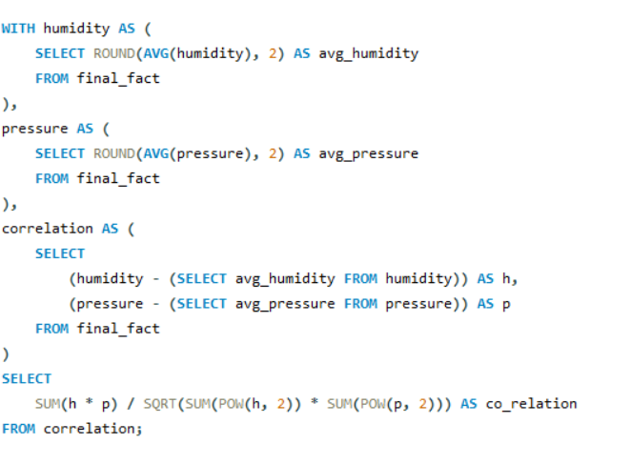

 | co_relation
 | 0.0771615215

Conclusion : The relationship between these two factors is complex. There is a very weak positive correlation between humidity and pressure. This indicates that as humidity rises, pressure also increases slightly, but the connection remains minimal.

6
Explore the impact of wind direction on temperature for coastal cities. Are there noticeable patterns? | City | Country | Wind_direction | Avg_temp | Row Labels | Average of Wind_direction | Average of Avg_temp
 | Phoenix | United States | 252 | 302.74 | Israel | 208.35686275 | 294.18407843
 | Phoenix | United States | 246 | 302.66 | Nahariyya | 208.35686275 | 294.18407843
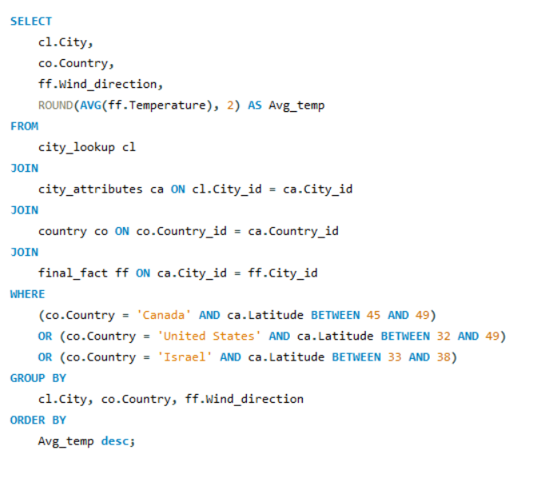
 | Phoenix | United States | 261 | 302.36 | United States | 195.35217391 | 294.43315698
 | Phoenix | United States | 240 | 302.16 | Albuquerque | 127 | 296.29
 | Phoenix | United States | 230 | 302.15 | Atlanta | 189.78125 | 292.91828125
 | Phoenix | United States | 220 | 301.8 | Boston | 146.5 | 293.2
 | Phoenix | United States | 244 | 301.49 | Charlotte | 222.54761905 | 292.77071429
 | Phoenix | United States | 223 | 301.49 | Dallas | 159.01081081 | 294.27297297
 | Phoenix | United States | 257 | 301.49 | Denver | 118 | 293.9
 | Phoenix | United States | 266 | 301.46 | Indianapolis | 223 | 291.89
 | Phoenix | United States | 238 | 301.45 | Kansas City | 152 | 292.83769231
Conclusion : In my analysis, the impact of wind direction on temperature in coastal cities, focusing on Canada, the United States, and Israel, does not show any significant correlation
 | Phoenix | United States | 210 | 301.44 | Las Vegas | 149.4171123 | 294.98484043
 | Phoenix | United States | 298 | 301.44 | Los Angeles | 242.71851852 | 293.56822222
 | Phoenix | United States | 247 | 301.35 | Nashville | 201.59090909 | 292.82822222
 | Phoenix | United States | 200 | 301.31 | New York | 170.11111111 | 292.32111111
 | Phoenix | United States | 254 | 301.12 | Philadelphia | 243.5 | 291.975
 | Phoenix | United States | 190 | 301.03 | Phoenix | 201.35172414 | 296.50837931
 | Phoenix | United States | 229 | 300.76 | Portland | 297.75 | 292.82333333
 | Las Vegas | United States | 107 | 300.7 | Saint Louis | 207.33333333 | 292.84933333
 | Phoenix | United States | 249 | 300.65 | San Diego | 270.19480519 | 292.82818182
 | Phoenix | United States | 270 | 300.55 | San Francisco | 25 | 294.25666667
 | Phoenix | United States | 180 | 300.54 | Seattle | 334 | 292.5225
 | Phoenix | United States | 170 | 300.53
 | Phoenix | United States | 150 | 300.49
 | Phoenix | United States | 245 | 300.44
 | Phoenix | United States | 140 | 300.4
 | Las Vegas | United States | 105 | 300.38
 | Las Vegas | United States | 140 | 300.35
 | Phoenix | United States | 228 | 300.35
 | Phoenix | United States | 222 | 300.34
 | Phoenix | United States | 275 | 300.34
 | Phoenix | United States | 233 | 300.29
 | Phoenix | United States | 232 | 300.25
 | Phoenix | United States | 278 | 300.24
 | Phoenix | United States | 207 | 300.23
 | Phoenix | United States | 272 | 300.16
 | Las Vegas | United States | 108 | 300.1
 | Las Vegas | United States | 160 | 300.02
 | Phoenix | United States | 271 | 300.01
 | Nahariyya | Israel | 310 | 299.94
 | Phoenix | United States | 248 | 299.93
 | Phoenix | United States | 258 | 299.86
 | Phoenix | United States | 259 | 299.82
 | Phoenix | United States | 250 | 299.81
 | Phoenix | United States | 269 | 299.81
 | Nahariyya | Israel | 300 | 299.77
 | Las Vegas | United States | 96 | 299.73
 | Nahariyya | Israel | 320 | 299.69
 | Phoenix | United States | 268 | 299.66
 | Las Vegas | United States | 118 | 299.65
 | Phoenix | United States | 234 | 299.65
 | Las Vegas | United States | 111 | 299.63
 | Phoenix | United States | 242 | 299.62
 | Phoenix | United States | 241 | 299.62
 | Phoenix | United States | 215 | 299.62
 | Phoenix | United States | 130 | 299.61
 | Las Vegas | United States | 116 | 299.57
 | Las Vegas | United States | 150 | 299.53
 | Phoenix | United States | 262 | 299.5
 | Phoenix | United States | 227 | 299.45
 | Phoenix | United States | 160 | 299.42
 | Phoenix | United States | 253 | 299.41
 | Las Vegas | United States | 98 | 299.34
 | Phoenix | United States | 217 | 299.31
 | Phoenix | United States | 235 | 299.28
 | Phoenix | United States | 151 | 299.18
 | Phoenix | United States | 239 | 299.16
 | Las Vegas | United States | 130 | 299.15
 | Phoenix | United States | 276 | 299.15
 | Phoenix | United States | 206 | 299.14
 | Phoenix | United States | 213 | 299.11
 | Las Vegas | United States | 115 | 299.06
 | Phoenix | United States | 224 | 299.03
 | Las Vegas | United States | 103 | 299.01
 | Las Vegas | United States | 93 | 298.91
 | Phoenix | United States | 243 | 298.89
 | Phoenix | United States | 256 | 298.86
 | Phoenix | United States | 221 | 298.84
 | Las Vegas | United States | 185 | 298.83
 | Phoenix | United States | 226 | 298.83
 | Phoenix | United States | 260 | 298.78
 | Las Vegas | United States | 109 | 298.75
 | Phoenix | United States | 157 | 298.7
 | Las Vegas | United States | 117 | 298.68
 | Phoenix | United States | 263 | 298.66
 | Phoenix | United States | 264 | 298.65
 | Phoenix | United States | 237 | 298.64
 | Las Vegas | United States | 170 | 298.61
 | Phoenix | United States | 192 | 298.61
 | Phoenix | United States | 118 | 298.61
 | Phoenix | United States | 116 | 298.59
 | Dallas | United States | 155 | 298.59
 | San Francisco | United States |  | 298.57
 | Las Vegas | United States | 139 | 298.51
 | Phoenix | United States | 265 | 298.51
 | Phoenix | United States | 342 | 298.45
 | Las Vegas | United States | 99 | 298.44
 | Phoenix | United States | 225 | 298.44
 | Las Vegas | United States | 120 | 298.41
 | Las Vegas | United States | 180 | 298.39
 | Phoenix | United States | 120 | 298.35
 | Nahariyya | Israel | 330 | 298.35
 | Phoenix | United States | 216 | 298.32
 | Phoenix | United States | 273 | 298.3
 | Nahariyya | Israel | 290 | 298.25
 | Phoenix | United States | 164 | 298.24
 | Phoenix | United States | 128 | 298.17
 | Dallas | United States | 202 | 298.1
 | Phoenix | United States | 287 | 298.07
 | Phoenix | United States | 196 | 298.04
 | Phoenix | United States | 175 | 298.01
 | Phoenix | United States | 135 | 298
 | Phoenix | United States | 255 | 297.97
 | Phoenix | United States | 211 | 297.95
 | Phoenix | United States | 182 | 297.94
 | Las Vegas | United States | 101 | 297.93
 | Phoenix | United States | 231 | 297.91
 | Phoenix | United States | 286 | 297.89
 | Las Vegas | United States | 113 | 297.87
 | Phoenix | United States | 178 | 297.83
 | Las Vegas | United States | 200 | 297.8
 | Las Vegas | United States | 102 | 297.8
 | Phoenix | United States | 219 | 297.77
 | Phoenix | United States | 147 | 297.75
 | Phoenix | United States | 251 | 297.75
 | Dallas | United States | 222 | 297.74
 | Las Vegas | United States | 190 | 297.73
 | Las Vegas | United States | 110 | 297.71
 | Nahariyya | Israel | 280 | 297.71
 | Phoenix | United States | 171 | 297.64
 | Los Angeles | United States | 231 | 297.6
 | Phoenix | United States | 110 | 297.59
 | Phoenix | United States | 313 | 297.59
 | Phoenix | United States | 166 | 297.57
 | Phoenix | United States | 288 | 297.57
 | Phoenix | United States | 208 | 297.57
 | Phoenix | United States | 199 | 297.57
 | Las Vegas | United States | 112 | 297.53
 | Phoenix | United States | 214 | 297.53
 | Phoenix | United States | 236 | 297.5
 | Phoenix | United States | 318 | 297.49
 | Phoenix | United States | 167 | 297.47
 | Phoenix | United States | 212 | 297.45
 | Las Vegas | United States | 119 | 297.41
 | Phoenix | United States | 280 | 297.4
 | Phoenix | United States | 161 | 297.39
 | Dallas | United States | 154 | 297.39
 | Las Vegas | United States | 210 | 297.36
 | Phoenix | United States | 153 | 297.36
 | Phoenix | United States | 293 | 297.35
 | Phoenix | United States | 152 | 297.34
 | Las Vegas | United States | 106 | 297.32
 | Phoenix | United States | 267 | 297.29
 | Nahariyya | Israel | 350 | 297.29
 | Nahariyya | Israel | 360 | 297.25
 | Phoenix | United States | 203 | 297.25
 | Phoenix | United States | 295 | 297.23
 | Las Vegas | United States | 230 | 297.2
 | Phoenix | United States | 127 | 297.19
 | Phoenix | United States | 156 | 297.19
 | Phoenix | United States | 139 | 297.19
 | Nahariyya | Israel | 336 | 297.19
 | Phoenix | United States | 290 | 297.16
 | Phoenix | United States | 209 | 297.13
 | Phoenix | United States | 119 | 297.12
 | Dallas | United States | 220 | 297.12
 | Nahariyya | Israel | 340 | 297.12
 | Dallas | United States | 315 | 297.11
 | Phoenix | United States | 117 | 297.09
 | Phoenix | United States | 292 | 297.08
 | Dallas | United States | 200 | 297.03
 | Las Vegas | United States | 100 | 297.02
 | Phoenix | United States | 205 | 297.01
 | Phoenix | United States | 100 | 296.99
 | Phoenix | United States | 129 | 296.99
 | Las Vegas | United States | 148 | 296.97
 | Las Vegas | United States | 127 | 296.95
 | Phoenix | United States | 299 | 296.94
 | Las Vegas | United States | 78 | 296.92
 | Phoenix | United States | 218 | 296.91
 | Phoenix | United States | 197 | 296.91
 | Las Vegas | United States | 220 | 296.9
 | Las Vegas | United States | 146 | 296.9
 | Phoenix | United States | 194 | 296.9
 | Phoenix | United States | 274 | 296.88
 | Las Vegas | United States | 88 | 296.85
 | Dallas | United States | 173 | 296.85
 | Las Vegas | United States | 79 | 296.84
 | Nahariyya | Israel | 10 | 296.84
 | Phoenix | United States | 188 | 296.83
 | Phoenix | United States | 202 | 296.83
 | Phoenix | United States | 109 | 296.82
 | Dallas | United States | 189 | 296.76
 | Phoenix | United States | 165 | 296.74
 | Las Vegas | United States | 95 | 296.73
 | Las Vegas | United States | 92 | 296.73
 | Las Vegas | United States | 152 | 296.72
 | Phoenix | United States | 307 | 296.72
 | Las Vegas | United States | 114 | 296.71
 | Dallas | United States | 203 | 296.71
 | Phoenix | United States | 198 | 296.67
 | Phoenix | United States | 168 | 296.67
 | Las Vegas | United States | 126 | 296.65
 | Las Vegas | United States | 157 | 296.62
 | Phoenix | United States | 136 | 296.62
 | Phoenix | United States | 111 | 296.62
 | Phoenix | United States | 177 | 296.62
 | Las Vegas | United States | 97 | 296.61
 | Nashville | United States | 192 | 296.59
 | Dallas | United States | 166 | 296.58
 | Phoenix | United States | 124 | 296.57
 | Nahariyya | Israel | 356 | 296.57
 | Phoenix | United States | 112 | 296.52
 | Phoenix | United States | 99 | 296.48
 | Dallas | United States | 214 | 296.47
 | Phoenix | United States | 148 | 296.46
 | Nahariyya | Israel | 260 | 296.46
 | Phoenix | United States | 183 | 296.45
 | Phoenix | United States | 179 | 296.44
 | Atlanta | United States | 236 | 296.43
 | Phoenix | United States | 284 | 296.42
 | Phoenix | United States | 277 | 296.42
 | Dallas | United States | 210 | 296.42
 | San Diego | United States | 266 | 296.41
 | Las Vegas | United States | 164 | 296.41
 | Las Vegas | United States | 134 | 296.4
 | Las Vegas | United States | 76 | 296.4
 | Phoenix | United States | 195 | 296.4
 | Phoenix | United States | 173 | 296.4
 | Nahariyya | Israel | 250 | 296.4
 | Phoenix | United States | 358 | 296.39
 | Las Vegas | United States | 174 | 296.38
 | Las Vegas | United States | 145 | 296.37
 | Las Vegas | United States | 159 | 296.36
 | Las Vegas | United States | 69 | 296.36
 | Phoenix | United States | 326 | 296.36
 | Nahariyya | Israel | 357 | 296.36
 | Dallas | United States | 190 | 296.34
 | Dallas | United States | 158 | 296.34
 | Dallas | United States | 139 | 296.34
 | Nahariyya | Israel | 335 | 296.33
 | Los Angeles | United States | 260 | 296.32
 | Phoenix | United States | 113 | 296.31
 | Phoenix | United States | 279 | 296.3
 | Phoenix | United States | 169 | 296.3
 | Dallas | United States | 167 | 296.3
 | Kansas City | United States | 217 | 296.3
 | Albuquerque | United States | 127 | 296.29
 | Dallas | United States | 153 | 296.26
 | Phoenix | United States | 181 | 296.24
 | Phoenix | United States | 1 | 296.23
 | Phoenix | United States | 155 | 296.23
 | Phoenix | United States | 282 | 296.23
 | Phoenix | United States | 126 | 296.21
 | Los Angeles | United States | 302 | 296.19
 | Dallas | United States | 151 | 296.19
 | Phoenix | United States | 174 | 296.18
 | Dallas | United States | 175 | 296.18
 | Phoenix | United States | 300 | 296.16
 | Dallas | United States | 191 | 296.16
 | Nahariyya | Israel | 331 | 296.16
 | Nahariyya | Israel | 305 | 296.15
 | Phoenix | United States | 301 | 296.15
 | Dallas | United States | 165 | 296.14
 | Las Vegas | United States | 158 | 296.12
 | Dallas | United States | 230 | 296.12
 | Phoenix | United States | 90 | 296.1
 | Dallas | United States | 180 | 296.09
 | Dallas | United States | 141 | 296.09
 | Phoenix | United States | 306 | 296.08
 | Dallas | United States | 184 | 296.08
 | Dallas | United States | 193 | 296.08
 | Dallas | United States | 181 | 296.07
 | Dallas | United States | 195 | 296.07
 | Nahariyya | Israel | 270 | 296.07
 | Dallas | United States | 177 | 296.06
 | Dallas | United States | 221 | 296.05
 | Las Vegas | United States | 240 | 296.04
 | Phoenix | United States | 349 | 296.03
 | Las Vegas | United States | 135 | 296
 | Phoenix | United States | 172 | 296
 | Las Vegas | United States | 137 | 295.99
 | Las Vegas | United States | 250 | 295.97
 | Dallas | United States | 112 | 295.97
 | Phoenix | United States | 101 | 295.96
 | Dallas | United States | 206 | 295.93
 | Las Vegas | United States | 142 | 295.91
 | Los Angeles | United States | 208 | 295.9
 | Las Vegas | United States | 171 | 295.9
 | Charlotte | United States | 247 | 295.89
 | Nahariyya | Israel | 170 | 295.89
 | Phoenix | United States | 291 | 295.86
 | Dallas | United States | 207 | 295.86
 | Phoenix | United States | 81 | 295.85
 | Phoenix | United States | 143 | 295.85
 | Dallas | United States | 240 | 295.85
 | Las Vegas | United States | 132 | 295.84
 | Nahariyya | Israel | 317 | 295.84
 | Las Vegas | United States | 131 | 295.82
 | Phoenix | United States | 149 | 295.79
 | Phoenix | United States | 356 | 295.75
 | Dallas | United States | 199 | 295.75
 | Dallas | United States | 174 | 295.74
 | Dallas | United States | 187 | 295.74
 | Dallas | United States | 197 | 295.74
 | Dallas | United States | 196 | 295.74
 | Nahariyya | Israel | 337 | 295.73
 | Nahariyya | Israel | 347 | 295.72
 | Dallas | United States | 117 | 295.72
 | Phoenix | United States | 294 | 295.71
 | Los Angeles | United States | 211 | 295.7
 | Dallas | United States | 163 | 295.7
 | Los Angeles | United States | 247 | 295.68
 | Phoenix | United States | 163 | 295.68
 | Los Angeles | United States | 250 | 295.67
 | Los Angeles | United States | 229 | 295.67
 | Dallas | United States | 170 | 295.67
 | Phoenix | United States | 142 | 295.66
 | Los Angeles | United States | 218 | 295.65
 | Nahariyya | Israel | 50 | 295.64
 | Las Vegas | United States | 71 | 295.63
 | Phoenix | United States | 281 | 295.63
 | Dallas | United States | 205 | 295.61
 | Nahariyya | Israel | 180 | 295.61
 | Phoenix | United States | 158 | 295.6
 | Los Angeles | United States | 233 | 295.59
 | Phoenix | United States | 304 | 295.59
 | Dallas | United States | 171 | 295.59
 | Atlanta | United States | 8 | 295.58
 | Nahariyya | Israel | 314 | 295.57
 | Las Vegas | United States | 153 | 295.57
 | Dallas | United States | 188 | 295.54
 | Las Vegas | United States | 70 | 295.53
 | Nahariyya | Israel | 355 | 295.53
 | Nahariyya | Israel | 2 | 295.53
 | Nahariyya | Israel | 349 | 295.52
 | Dallas | United States | 176 | 295.52
 | Las Vegas | United States | 187 | 295.49
 | Phoenix | United States | 86 | 295.47
 | Dallas | United States | 133 | 295.47
 | Los Angeles | United States | 212 | 295.46
 | Las Vegas | United States | 91 | 295.46
 | Phoenix | United States | 133 | 295.46
 | Phoenix | United States | 154 | 295.46
 | Phoenix | United States | 114 | 295.46
 | Dallas | United States | 162 | 295.45
 | Nahariyya | Israel | 287 | 295.44
 | Nashville | United States |  | 295.43
 | Los Angeles | United States | 291 | 295.43
 | Dallas | United States | 218 | 295.42
 | Nahariyya | Israel | 326 | 295.42
 | Phoenix | United States | 146 | 295.41
 | Phoenix | United States | 176 | 295.41
 | Phoenix | United States | 315 | 295.41
 | Phoenix | United States | 328 | 295.4
 | Phoenix | United States | 332 | 295.4
 | Nahariyya | Israel | 323 | 295.4
 | Las Vegas | United States | 85 | 295.39
 | Phoenix | United States | 159 | 295.39
 | Phoenix | United States | 283 | 295.39
 | Dallas | United States | 164 | 295.38
 | Dallas | United States | 216 | 295.36
 | Los Angeles | United States | 207 | 295.35
 | Phoenix | United States | 309 | 295.34
 | Saint Louis | United States | 201 | 295.34
 | Nahariyya | Israel | 353 | 295.33
 | Las Vegas | United States | 90 | 295.33
 | Las Vegas | United States | 77 | 295.33
 | Dallas | United States | 186 | 295.33
 | Phoenix | United States | 187 | 295.32
 | Dallas | United States | 225 | 295.32
 | Phoenix | United States | 70 | 295.31
 | Nahariyya | Israel | 316 | 295.31
 | Los Angeles | United States | 213 | 295.3
 | Los Angeles | United States | 222 | 295.3
 | Dallas | United States | 147 | 295.3
 | Los Angeles | United States | 223 | 295.29
 | Nahariyya | Israel | 348 | 295.29
 | Nahariyya | Israel | 341 | 295.28
 | Phoenix | United States | 97 | 295.28
 | Nahariyya | Israel | 200 | 295.27
 | Nahariyya | Israel | 20 | 295.26
 | Los Angeles | United States | 232 | 295.26
 | Nahariyya | Israel | 285 | 295.25
 | Nahariyya | Israel | 345 | 295.25
 | Nahariyya | Israel | 255 | 295.24
 | Dallas | United States | 98 | 295.24
 | Phoenix | United States | 80 | 295.23
 | Phoenix | United States | 105 | 295.23
 | Dallas | United States | 217 | 295.23
 | Los Angeles | United States | 219 | 295.22
 | Las Vegas | United States | 149 | 295.22
 | Dallas | United States | 179 | 295.22
 | Phoenix | United States | 319 | 295.21
 | Nahariyya | Israel | 274 | 295.21
 | Las Vegas | United States | 144 | 295.2
 | Dallas | United States | 198 | 295.19
 | Nahariyya | Israel | 359 | 295.19
 | Nahariyya | Israel | 262 | 295.18
 | Nahariyya | Israel | 346 | 295.18
 | Los Angeles | United States | 215 | 295.18
 | Los Angeles | United States | 227 | 295.18
 | Dallas | United States | 194 | 295.18
 | Los Angeles | United States | 249 | 295.17
 | Phoenix | United States | 347 | 295.17
 | Nahariyya | Israel | 190 | 295.17
 | Atlanta | United States | 2 | 295.16
 | Nahariyya | Israel | 247 | 295.15
 | Nahariyya | Israel | 322 | 295.14
 | Phoenix | United States | 184 | 295.14
 | Phoenix | United States | 106 | 295.13
 | Los Angeles | United States | 217 | 295.12
 | Phoenix | United States | 191 | 295.12
 | Los Angeles | United States | 206 | 295.11
 | Los Angeles | United States | 238 | 295.11
 | Phoenix | United States | 193 | 295.11
 | Los Angeles | United States | 254 | 295.1
 | Phoenix | United States | 162 | 295.1
 | Phoenix | United States | 296 | 295.1
 | Dallas | United States | 63 | 295.1
 | Nahariyya | Israel | 231 | 295.1
 | Phoenix | United States | 351 | 295.09
 | Charlotte | United States | 112 | 295.08
 | Las Vegas | United States | 81 | 295.07
 | Nahariyya | Israel | 258 | 295.07
 | Los Angeles | United States | 270 | 295.06
 | Phoenix | United States | 91 | 295.06
 | Dallas | United States | 169 | 295.06
 | Dallas | United States | 244 | 295.06
 | Dallas | United States | 192 | 295.05
 | Nahariyya | Israel | 332 | 295.03
 | Nahariyya | Israel | 286 | 295.02
 | Las Vegas | United States | 162 | 295.02
 | Las Vegas | United States | 143 | 295.01
 | Nahariyya | Israel | 327 | 295.01
 | Nahariyya | Israel | 70 | 295.01
 | Nahariyya | Israel | 263 | 295
 | Las Vegas | United States | 188 | 295
 | Las Vegas | United States | 163 | 295
 | Phoenix | United States | 107 | 294.99
 | Dallas | United States | 156 | 294.98
 | Nahariyya | Israel | 210 | 294.98
 | Nahariyya | Israel | 60 | 294.98
 | Atlanta | United States | 233 | 294.96
 | Phoenix | United States | 353 | 294.96
 | Dallas | United States | 185 | 294.96
 | Phoenix | United States | 302 | 294.95
 | Dallas | United States | 160 | 294.95
 | Dallas | United States | 168 | 294.95
 | Dallas | United States | 159 | 294.95
 | Nahariyya | Israel | 269 | 294.95
 | Nahariyya | Israel | 295 | 294.95
 | Nahariyya | Israel | 358 | 294.93
 | Las Vegas | United States | 155 | 294.93
 | Phoenix | United States | 125 | 294.93
 | Los Angeles | United States | 214 | 294.92
 | Phoenix | United States | 134 | 294.92
 | Dallas | United States | 209 | 294.92
 | Nahariyya | Israel | 351 | 294.92
 | Los Angeles | United States | 221 | 294.91
 | Las Vegas | United States | 168 | 294.9
 | Las Vegas | United States | 84 | 294.89
 | Nahariyya | Israel | 294 | 294.89
 | Nahariyya | Israel | 279 | 294.89
 | Nahariyya | Israel | 5 | 294.88
 | Nahariyya | Israel | 249 | 294.87
 | Nahariyya | Israel | 243 | 294.87
 | Nahariyya | Israel | 324 | 294.87
 | Las Vegas | United States | 50 | 294.87
 | Los Angeles | United States | 203 | 294.86
 | Las Vegas | United States | 195 | 294.86
 | Nahariyya | Israel | 232 | 294.86
 | Los Angeles | United States | 235 | 294.85
 | Nahariyya | Israel | 301 | 294.84
 | Nahariyya | Israel | 1 | 294.84
 | Nahariyya | Israel | 214 | 294.83
 | Nahariyya | Israel | 224 | 294.82
 | Phoenix | United States | 138 | 294.82
 | Phoenix | United States | 189 | 294.82
 | Nahariyya | Israel | 246 | 294.81
 | Nahariyya | Israel | 4 | 294.8
 | Nahariyya | Israel | 282 | 294.8
 | Nahariyya | Israel | 298 | 294.8
 | Nahariyya | Israel | 304 | 294.8
 | Dallas | United States | 88 | 294.8
 | Atlanta | United States | 245 | 294.79
 | Las Vegas | United States | 186 | 294.78
 | Dallas | United States | 243 | 294.78
 | Los Angeles | United States | 224 | 294.77
 | Phoenix | United States | 92 | 294.77
 | Phoenix | United States | 104 | 294.77
 | Nahariyya | Israel | 160 | 294.77
 | Nahariyya | Israel | 228 | 294.76
 | Nahariyya | Israel | 6 | 294.76
 | Nahariyya | Israel | 309 | 294.76
 | Los Angeles | United States | 240 | 294.76
 | Nahariyya | Israel | 328 | 294.75
 | Nahariyya | Israel | 256 | 294.74
 | Las Vegas | United States | 123 | 294.74
 | Las Vegas | United States | 226 | 294.73
 | Dallas | United States | 134 | 294.73
 | Nahariyya | Israel | 302 | 294.73
 | Phoenix | United States | 201 | 294.72
 | Phoenix | United States | 88 | 294.72
 | Las Vegas | United States | 128 | 294.71
 | Nahariyya | Israel | 187 | 294.71
 | Las Vegas | United States | 141 | 294.69
 | Phoenix | United States | 89 | 294.69
 | Dallas | United States | 123 | 294.69
 | Charlotte | United States | 281 | 294.69
 | Nahariyya | Israel | 254 | 294.68
 | Nahariyya | Israel | 7 | 294.68
 | Las Vegas | United States | 86 | 294.68
 | Phoenix | United States | 115 | 294.68
 | Los Angeles | United States | 209 | 294.67
 | Dallas | United States | 150 | 294.67
 | Nahariyya | Israel | 342 | 294.67
 | Los Angeles | United States | 266 | 294.66
 | Dallas | United States | 204 | 294.66
 | San Diego | United States | 262 | 294.65
 | Nahariyya | Israel | 283 | 294.65
 | Nahariyya | Israel | 240 | 294.64
 | Nahariyya | Israel | 338 | 294.64
 | Las Vegas | United States | 231 | 294.64
 | Dallas | United States | 152 | 294.64
 | Dallas | United States | 359 | 294.64
 | Phoenix | United States | 339 | 294.62
 | Dallas | United States | 47 | 294.62
 | Phoenix | United States | 95 | 294.61
 | Phoenix | United States | 186 | 294.61
 | Nahariyya | Israel | 11 | 294.61
 | Nahariyya | Israel | 313 | 294.6
 | Nahariyya | Israel | 329 | 294.59
 | Nahariyya | Israel | 289 | 294.59
 | Nahariyya | Israel | 220 | 294.59
 | Los Angeles | United States | 244 | 294.57
 | Las Vegas | United States | 255 | 294.57
 | Los Angeles | United States | 225 | 294.56
 | Phoenix | United States | 102 | 294.56
 | Dallas | United States | 122 | 294.56
 | Los Angeles | United States | 198 | 294.55
 | Los Angeles | United States | 276 | 294.55
 | Los Angeles | United States | 226 | 294.55
 | Los Angeles | United States | 216 | 294.55
 | Dallas | United States | 157 | 294.54
 | Charlotte | United States | 267 | 294.54
 | Nahariyya | Israel | 344 | 294.54
 | Nahariyya | Israel | 334 | 294.54
 | Las Vegas | United States | 205 | 294.53
 | Nashville | United States | 230 | 294.52
 | Atlanta | United States | 268 | 294.51
 | Las Vegas | United States | 80 | 294.51
 | Nahariyya | Israel | 253 | 294.5
 | Nahariyya | Israel | 271 | 294.49
 | Nahariyya | Israel | 318 | 294.49
 | Dallas | United States | 140 | 294.49
 | Las Vegas | United States | 122 | 294.48
 | Las Vegas | United States | 211 | 294.48
 | Nahariyya | Israel | 315 | 294.48
 | Nahariyya | Israel | 333 | 294.48
 | Nahariyya | Israel | 9 | 294.48
 | Nahariyya | Israel | 235 | 294.46
 | Las Vegas | United States | 60 | 294.46
 | Dallas | United States | 250 | 294.46
 | Las Vegas | United States | 129 | 294.45
 | Dallas | United States | 87 | 294.45
 | Nahariyya | Israel | 239 | 294.45
 | Nahariyya | Israel | 234 | 294.45
 | Las Vegas | United States | 199 | 294.44
 | Atlanta | United States | 189 | 294.44
 | Nahariyya | Israel | 19 | 294.43
 | Nahariyya | Israel | 321 | 294.43
 | Nahariyya | Israel | 296 | 294.42
 | Dallas | United States | 86 | 294.42
 | Saint Louis | United States | 207 | 294.41
 | Atlanta | United States | 256 | 294.41
 | Nahariyya | Israel | 273 | 294.41
 | Nahariyya | Israel | 354 | 294.4
 | Nahariyya | Israel | 265 | 294.39
 | Los Angeles | United States | 245 | 294.38
 | Phoenix | United States | 3 | 294.38
 | Saint Louis | United States | 223 | 294.38
 | Nahariyya | Israel | 325 | 294.37
 | Las Vegas | United States | 201 | 294.37
 | Phoenix | United States | 331 | 294.37
 | Dallas | United States | 276 | 294.36
 | Phoenix | United States | 94 | 294.35
 | Phoenix | United States | 98 | 294.35
 | Phoenix | United States | 82 | 294.33
 | Dallas | United States | 239 | 294.33
 | Los Angeles | United States | 220 | 294.32
 | Phoenix | United States | 121 | 294.31
 | Nahariyya | Israel | 343 | 294.3
 | Nahariyya | Israel | 209 | 294.3
 | Nahariyya | Israel | 277 | 294.29
 | Nahariyya | Israel | 223 | 294.28
 | Nahariyya | Israel | 297 | 294.28
 | Nahariyya | Israel | 211 | 294.28
 | Dallas | United States | 172 | 294.28
 | Nashville | United States | 220 | 294.27
 | Nahariyya | Israel | 319 | 294.27
 | Nahariyya | Israel | 245 | 294.27
 | Los Angeles | United States | 236 | 294.25
 | Phoenix | United States | 132 | 294.24
 | Nahariyya | Israel | 259 | 294.24
 | Nahariyya | Israel | 284 | 294.23
 | Nahariyya | Israel | 291 | 294.23
 | Nahariyya | Israel | 204 | 294.23
 | Nahariyya | Israel | 308 | 294.22
 | Atlanta | United States | 273 | 294.22
 | Las Vegas | United States | 104 | 294.21
 | Dallas | United States | 104 | 294.21
 | Nahariyya | Israel | 267 | 294.21
 | Nahariyya | Israel | 227 | 294.2
 | Los Angeles | United States | 197 | 294.2
 | Phoenix | United States | 58 | 294.19
 | Nahariyya | Israel | 303 | 294.19
 | Nahariyya | Israel | 202 | 294.18
 | Portland | United States | 322 | 294.18
 | San Diego | United States | 268 | 294.18
 | Las Vegas | United States | 147 | 294.17
 | Las Vegas | United States | 121 | 294.17
 | Los Angeles | United States | 205 | 294.16
 | San Diego | United States | 263 | 294.16
 | Nahariyya | Israel | 230 | 294.16
 | Nahariyya | Israel | 307 | 294.16
 | Nahariyya | Israel | 293 | 294.15
 | Nahariyya | Israel | 222 | 294.14
 | Nahariyya | Israel | 26 | 294.14
 | Los Angeles | United States | 280 | 294.14
 | Los Angeles | United States | 316 | 294.14
 | Las Vegas | United States | 73 | 294.13
 | Nahariyya | Israel | 281 | 294.13
 | Nahariyya | Israel | 13 | 294.12
 | Nahariyya | Israel | 194 | 294.12
 | Charlotte | United States | 265 | 294.12
 | Phoenix | United States | 123 | 294.12
 | Phoenix | United States | 303 | 294.12
 | Nahariyya | Israel | 242 | 294.11
 | Nahariyya | Israel | 17 | 294.1
 | Nahariyya | Israel | 55 | 294.1
 | San Diego | United States | 275 | 294.1
 | Las Vegas | United States | 75 | 294.09
 | Nahariyya | Israel | 226 | 294.09
 | Nahariyya | Israel | 3 | 294.08
 | Las Vegas | United States | 202 | 294.08
 | Phoenix | United States | 204 | 294.08
 | Phoenix | United States | 141 | 294.08
 | Phoenix | United States | 185 | 294.06
 | Nahariyya | Israel | 22 | 294.06
 | Nahariyya | Israel | 206 | 294.06
 | Nahariyya | Israel | 201 | 294.05
 | Las Vegas | United States | 133 | 294.05
 | San Diego | United States | 269 | 294.04
 | Phoenix | United States | 79 | 294.04
 | Dallas | United States | 72 | 294.03
 | Nahariyya | Israel | 268 | 294.03
 | Atlanta | United States | 188 | 294.03
 | Portland | United States | 356 | 294.02
 | Dallas | United States | 103 | 294.02
 | Nahariyya | Israel | 33 | 294.02
 | Nahariyya | Israel | 288 | 294.01
 | Los Angeles | United States | 290 | 294.01
 | Phoenix | United States | 4 | 294.01
 | Dallas | United States | 178 | 294.01
 | Dallas | United States | 71 | 294.01
 | Dallas | United States | 99 | 294.01
 | Las Vegas | United States | 151 | 294
 | Dallas | United States | 124 | 294
 | Los Angeles | United States | 201 | 293.99
 | Los Angeles | United States | 210 | 293.99
 | San Diego | United States | 271 | 293.99
 | Phoenix | United States | 344 | 293.99
 | Charlotte | United States | 266 | 293.99
 | Atlanta | United States | 200 | 293.98
 | Dallas | United States | 143 | 293.98
 | Dallas | United States | 107 | 293.97
 | Las Vegas | United States | 204 | 293.96
 | Dallas | United States | 142 | 293.96
 | Atlanta | United States | 222 | 293.96
 | Nahariyya | Israel | 261 | 293.96
 | Los Angeles | United States | 252 | 293.95
 | Phoenix | United States | 77 | 293.95
 | Dallas | United States | 131 | 293.95
 | Las Vegas | United States |  | 293.94
 | Las Vegas | United States | 161 | 293.94
 | Kansas City | United States | 150 | 293.94
 | Las Vegas | United States | 74 | 293.93
 | Phoenix | United States | 60 | 293.93
 | Phoenix | United States | 131 | 293.93
 | Nahariyya | Israel | 150 | 293.93
 | Charlotte | United States | 202 | 293.93
 | Dallas | United States | 105 | 293.92
 | Nahariyya | Israel | 25 | 293.92
 | Nahariyya | Israel | 221 | 293.91
 | Atlanta | United States | 276 | 293.91
 | Las Vegas | United States | 196 | 293.91
 | Phoenix | United States | 122 | 293.91
 | Los Angeles | United States | 253 | 293.9
 | Denver | United States | 118 | 293.9
 | Dallas | United States | 113 | 293.9
 | Dallas | United States | 95 | 293.88
 | Los Angeles | United States | 256 | 293.86
 | Las Vegas | United States | 203 | 293.86
 | Dallas | United States | 132 | 293.86
 | Nahariyya | Israel | 252 | 293.86
 | Nahariyya | Israel | 278 | 293.85
 | Nahariyya | Israel | 28 | 293.85
 | Dallas | United States | 182 | 293.85
 | Nahariyya | Israel | 236 | 293.84
 | Nahariyya | Israel | 40 | 293.84
 | Nahariyya | Israel | 248 | 293.83
 | Los Angeles | United States | 243 | 293.83
 | Los Angeles | United States | 228 | 293.83
 | Phoenix | United States | 343 | 293.83
 | Kansas City | United States | 157 | 293.83
 | Atlanta | United States | 232 | 293.82
 | Charlotte | United States | 245 | 293.82
 | Nahariyya | Israel | 241 | 293.82
 | Nahariyya | Israel | 257 | 293.81
 | Los Angeles | United States | 251 | 293.81
 | Dallas | United States | 260 | 293.79
 | Las Vegas | United States | 189 | 293.78
 | Dallas | United States | 135 | 293.78
 | Dallas | United States | 101 | 293.78
 | Nahariyya | Israel | 266 | 293.78
 | Nahariyya | Israel | 208 | 293.78
 | Nahariyya | Israel | 251 | 293.77
 | Portland | United States | 321 | 293.77
 | San Diego | United States | 257 | 293.77
 | Dallas | United States | 90 | 293.76
 | Atlanta | United States | 257 | 293.76
 | Atlanta | United States | 7 | 293.76
 | Los Angeles | United States | 234 | 293.75
 | Nahariyya | Israel | 339 | 293.75
 | Nahariyya | Israel | 196 | 293.75
 | Atlanta | United States | 224 | 293.74
 | Los Angeles | United States | 191 | 293.74
 | Dallas | United States | 215 | 293.74
 | Los Angeles | United States | 195 | 293.73
 | Phoenix | United States | 317 | 293.73
 | Nashville | United States | 278 | 293.73
 | Atlanta | United States | 252 | 293.73
 | Nahariyya | Israel | 244 | 293.72
 | Nahariyya | Israel | 275 | 293.72
 | Las Vegas | United States | 228 | 293.72
 | San Diego | United States | 310 | 293.71
 | Las Vegas | United States | 125 | 293.7
 | Dallas | United States | 161 | 293.7
 | Atlanta | United States | 190 | 293.7
 | Boston | United States | 135 | 293.7
 | Nahariyya | Israel | 306 | 293.7
 | Nahariyya | Israel | 225 | 293.69
 | Nahariyya | Israel | 352 | 293.69
 | Phoenix | United States | 346 | 293.69
 | Los Angeles | United States | 248 | 293.68
 | Las Vegas | United States | 67 | 293.68
 | Las Vegas | United States | 181 | 293.67
 | Las Vegas | United States | 166 | 293.67
 | Nahariyya | Israel | 110 | 293.67
 | Nahariyya | Israel | 207 | 293.67
 | Nashville | United States | 250 | 293.67
 | Atlanta | United States | 251 | 293.67
 | Los Angeles | United States | 202 | 293.66
 | San Diego | United States | 274 | 293.66
 | Las Vegas | United States | 227 | 293.66
 | Phoenix | United States | 144 | 293.66
 | Las Vegas | United States | 216 | 293.65
 | Atlanta | United States | 210 | 293.65
 | Las Vegas | United States | 260 | 293.64
 | Phoenix | United States | 5 | 293.64
 | Los Angeles | United States | 194 | 293.63
 | Los Angeles | United States | 287 | 293.62
 | Las Vegas | United States | 270 | 293.62
 | Phoenix | United States | 323 | 293.62
 | Dallas | United States | 232 | 293.62
 | Atlanta | United States | 142 | 293.62
 | Nahariyya | Israel | 0 | 293.62
 | Los Angeles | United States | 192 | 293.61
 | San Diego | United States | 292 | 293.61
 | San Diego | United States | 248 | 293.61
 | Las Vegas | United States | 138 | 293.61
 | Atlanta | United States | 148 | 293.61
 | San Diego | United States | 265 | 293.6
 | San Diego | United States | 300 | 293.59
 | Nahariyya | Israel | 100 | 293.59
 | Nahariyya | Israel | 213 | 293.58
 | Portland | United States | 329 | 293.57
 | Los Angeles | United States | 305 | 293.57
 | Las Vegas | United States | 40 | 293.56
 | Las Vegas | United States | 124 | 293.56
 | Dallas | United States | 212 | 293.56
 | Los Angeles | United States | 199 | 293.55
 | Phoenix | United States | 103 | 293.55
 | Dallas | United States | 106 | 293.55
 | Las Vegas | United States | 221 | 293.54
 | Nahariyya | Israel | 218 | 293.54
 | Nahariyya | Israel | 15 | 293.54
 | Nahariyya | Israel | 229 | 293.53
 | Saint Louis | United States | 206 | 293.53
 | Nashville | United States | 219 | 293.53
 | Atlanta | United States | 279 | 293.53
 | Atlanta | United States | 164 | 293.53
 | Los Angeles | United States | 278 | 293.52
 | Dallas | United States | 120 | 293.52
 | Dallas | United States | 45 | 293.52
 | Nahariyya | Israel | 174 | 293.52
 | Nashville | United States | 214 | 293.51
 | Atlanta | United States | 48 | 293.5
 | Los Angeles | United States | 237 | 293.5
 | Phoenix | United States | 289 | 293.5
 | Dallas | United States | 223 | 293.5
 | Los Angeles | United States | 268 | 293.49
 | Atlanta | United States | 204 | 293.49
 | Atlanta | United States | 238 | 293.49
 | Nashville | United States | 240 | 293.46
 | Los Angeles | United States | 271 | 293.46
 | San Diego | United States | 256 | 293.46
 | Dallas | United States | 146 | 293.46
 | Las Vegas | United States | 156 | 293.45
 | Dallas | United States | 148 | 293.45
 | Dallas | United States | 266 | 293.45
 | Las Vegas | United States | 59 | 293.44
 | Atlanta | United States | 149 | 293.44
 | Nahariyya | Israel | 14 | 293.43
 | Las Vegas | United States | 154 | 293.43
 | Las Vegas | United States | 87 | 293.43
 | Phoenix | United States | 338 | 293.42
 | Phoenix | United States | 357 | 293.42
 | Atlanta | United States | 248 | 293.42
 | Nahariyya | Israel | 215 | 293.42
 | Nahariyya | Israel | 311 | 293.41
 | Los Angeles | United States | 272 | 293.41
 | San Diego | United States | 341 | 293.41
 | Las Vegas | United States | 206 | 293.41
 | Phoenix | United States | 333 | 293.41
 | Dallas | United States | 94 | 293.41
 | Dallas | United States | 111 | 293.41
 | Los Angeles | United States | 282 | 293.4
 | Atlanta | United States | 250 | 293.4
 | Atlanta | United States | 180 | 293.39
 | Atlanta | United States | 220 | 293.38
 | Atlanta | United States | 230 | 293.38
 | Los Angeles | United States | 196 | 293.38
 | San Diego | United States | 277 | 293.38
 | Las Vegas | United States | 65 | 293.38
 | Phoenix | United States | 336 | 293.38
 | Dallas | United States | 144 | 293.38
 | Las Vegas | United States | 182 | 293.37
 | Las Vegas | United States | 198 | 293.37
 | Dallas | United States | 130 | 293.37
 | Atlanta | United States | 244 | 293.37
 | Nahariyya | Israel | 264 | 293.36
 | Nahariyya | Israel | 140 | 293.36
 | Dallas | United States | 108 | 293.36
 | Las Vegas | United States | 235 | 293.35
 | Las Vegas | United States | 82 | 293.35
 | Nahariyya | Israel | 276 | 293.35
 | Nahariyya | Israel | 272 | 293.35
 | Nashville | United States | 251 | 293.34
 | Phoenix | United States | 85 | 293.34
 | Nahariyya | Israel | 299 | 293.33
 | Atlanta | United States | 351 | 293.33
 | Atlanta | United States | 182 | 293.33
 | Nashville | United States | 210 | 293.32
 | Atlanta | United States | 259 | 293.32
 | Atlanta | United States | 261 | 293.32
 | Los Angeles | United States | 200 | 293.32
 | Los Angeles | United States | 331 | 293.31
 | Los Angeles | United States | 246 | 293.31
 | Phoenix | United States | 96 | 293.31
 | Dallas | United States | 213 | 293.31
 | Charlotte | United States | 157 | 293.31
 | Atlanta | United States | 145 | 293.3
 | Las Vegas | United States | 225 | 293.3
 | Phoenix | United States | 145 | 293.3
 | Dallas | United States | 70 | 293.3
 | San Diego | United States | 320 | 293.29
 | Phoenix | United States | 310 | 293.29
 | San Diego | United States | 251 | 293.28
 | Las Vegas | United States | 280 | 293.28
 | Dallas | United States | 79 | 293.28
 | Los Angeles | United States | 285 | 293.27
 | Phoenix | United States | 84 | 293.27
 | Phoenix | United States | 334 | 293.27
 | Dallas | United States | 287 | 293.27
 | Saint Louis | United States | 227 | 293.27
 | Nahariyya | Israel | 238 | 293.27
 | Nahariyya | Israel | 12 | 293.26
 | San Diego | United States | 298 | 293.25
 | Las Vegas | United States | 252 | 293.25
 | Dallas | United States | 109 | 293.25
 | Nashville | United States | 93 | 293.25
 | Nahariyya | Israel | 233 | 293.24
 | Los Angeles | United States | 337 | 293.24
 | San Diego | United States | 242 | 293.24
 | San Diego | United States | 261 | 293.23
 | San Diego | United States | 281 | 293.23
 | Atlanta | United States | 237 | 293.23
 | Atlanta | United States | 281 | 293.22
 | San Diego | United States | 276 | 293.22
 | Phoenix | United States | 93 | 293.22
 | Los Angeles | United States | 263 | 293.21
 | Los Angeles | United States | 242 | 293.21
 | San Diego | United States | 290 | 293.21
 | San Diego | United States | 258 | 293.21
 | Atlanta | United States | 170 | 293.21
 | Charlotte | United States | 210 | 293.21
 | Nahariyya | Israel | 237 | 293.21
 | Nahariyya | Israel | 203 | 293.21
 | Dallas | United States | 136 | 293.2
 | Dallas | United States | 102 | 293.2
 | Dallas | United States | 149 | 293.19
 | Nahariyya | Israel | 56 | 293.19
 | Atlanta | United States | 77 | 293.19
 | Atlanta | United States | 227 | 293.19
 | Atlanta | United States | 195 | 293.18
 | Dallas | United States | 224 | 293.18
 | Dallas | United States | 249 | 293.18
 | Charlotte | United States | 220 | 293.17
 | New York | United States | 189 | 293.17
 | Las Vegas | United States | 209 | 293.16
 | Atlanta | United States | 37 | 293.16
 | Dallas | United States | 80 | 293.15
 | San Diego | United States | 247 | 293.14
 | Los Angeles | United States | 257 | 293.13
 | Los Angeles | United States | 279 | 293.13
 | Phoenix | United States | 359 | 293.13
 | San Diego | United States | 252 | 293.12
 | Atlanta | United States | 269 | 293.12
 | Los Angeles | United States | 299 | 293.11
 | Dallas | United States | 267 | 293.1
 | Dallas | United States | 97 | 293.1
 | Nahariyya | Israel | 120 | 293.1
 | Atlanta | United States | 160 | 293.1
 | Charlotte | United States | 180 | 293.1
 | Nashville | United States | 223 | 293.09
 | Atlanta | United States | 41 | 293.09
 | San Diego | United States | 253 | 293.09
 | Las Vegas | United States | 169 | 293.08
 | Nahariyya | Israel | 199 | 293.08
 | Nahariyya | Israel | 193 | 293.07
 | Nashville | United States | 229 | 293.07
 | San Diego | United States | 267 | 293.07
 | San Diego | United States | 259 | 293.06
 | Nahariyya | Israel | 312 | 293.06
 | Nahariyya | Israel | 188 | 293.06
 | Nahariyya | Israel | 21 | 293.06
 | Nashville | United States | 247 | 293.06
 | Atlanta | United States | 260 | 293.06
 | Atlanta | United States | 4 | 293.06
 | Kansas City | United States | 202 | 293.05
 | Atlanta | United States | 240 | 293.05
 | Charlotte | United States | 272 | 293.05
 | Las Vegas | United States | 172 | 293.05
 | Nahariyya | Israel | 191 | 293.05
 | Los Angeles | United States | 204 | 293.04
 | Phoenix | United States | 75 | 293.04
 | Phoenix | United States | 87 | 293.04
 | Dallas | United States | 208 | 293.03
 | Dallas | United States | 235 | 293.03
 | San Diego | United States | 241 | 293.02
 | Atlanta | United States | 265 | 293.02
 | San Diego | United States | 299 | 293.01
 | Nahariyya | Israel | 198 | 293.01
 | New York | United States | 186 | 293
 | Nahariyya | Israel | 34 | 293
 | Atlanta | United States | 275 | 293
 | Atlanta | United States | 218 | 293
 | San Diego | United States | 254 | 293
 | Las Vegas | United States | 178 | 293
 | Dallas | United States | 183 | 293
 | Dallas | United States | 257 | 293
 | Kansas City | United States | 135 | 293
 | Dallas | United States | 91 | 292.99
 | Los Angeles | United States | 255 | 292.98
 | Atlanta | United States | 153 | 292.98
 | Los Angeles | United States | 134 | 292.97
 | Los Angeles | United States | 265 | 292.97
 | San Diego | United States | 270 | 292.97
 | Dallas | United States | 233 | 292.97
 | Las Vegas | United States | 184 | 292.96
 | Phoenix | United States | 67 | 292.96
 | Atlanta | United States | 68 | 292.96
 | Atlanta | United States | 254 | 292.95
 | Nahariyya | Israel | 217 | 292.95
 | Las Vegas | United States | 233 | 292.95
 | Dallas | United States | 110 | 292.95
 | San Diego | United States | 311 | 292.93
 | Atlanta | United States | 208 | 292.93
 | Atlanta | United States | 263 | 292.92
 | Atlanta | United States | 131 | 292.92
 | Charlotte | United States | 230 | 292.92
 | Phoenix | United States | 305 | 292.92
 | Dallas | United States | 234 | 292.92
 | Nahariyya | Israel | 16 | 292.92
 | Nahariyya | Israel | 31 | 292.92
 | Nahariyya | Israel | 41 | 292.92
 | Nahariyya | Israel | 205 | 292.91
 | Las Vegas | United States | 219 | 292.91
 | Phoenix | United States | 6 | 292.91
 | Phoenix | United States | 50 | 292.91
 | Dallas | United States | 81 | 292.91
 | San Diego | United States | 288 | 292.9
 | Las Vegas | United States | 30 | 292.9
 | Atlanta | United States | 213 | 292.9
 | Atlanta | United States | 154 | 292.89
 | Los Angeles | United States | 261 | 292.89
 | Dallas | United States | 138 | 292.88
 | Nahariyya | Israel | 8 | 292.87
 | Dallas | United States | 228 | 292.86
 | Las Vegas | United States | 197 | 292.85
 | Seattle | United States | 345 | 292.84
 | Dallas | United States | 67 | 292.84
 | Dallas | United States | 100 | 292.83
 | Nashville | United States | 212 | 292.83
 | Atlanta | United States | 26 | 292.82
 | San Diego | United States | 280 | 292.82
 | Atlanta | United States | 255 | 292.81
 | Nahariyya | Israel | 292 | 292.81
 | Las Vegas | United States | 66 | 292.8
 | Dallas | United States | 145 | 292.8
 | Atlanta | United States | 118 | 292.8
 | Atlanta | United States | 174 | 292.8
 | Atlanta | United States | 207 | 292.8
 | Charlotte | United States | 262 | 292.8
 | Nashville | United States | 83 | 292.79
 | Los Angeles | United States | 193 | 292.79
 | Phoenix | United States | 320 | 292.79
 | Dallas | United States | 60 | 292.78
 | Nashville | United States | 109 | 292.78
 | Atlanta | United States | 151 | 292.77
 | Las Vegas | United States | 183 | 292.77
 | Phoenix | United States | 57 | 292.77
 | Las Vegas | United States | 63 | 292.76
 | Phoenix | United States | 312 | 292.76
 | Los Angeles | United States | 183 | 292.75
 | Los Angeles | United States | 239 | 292.75
 | Phoenix | United States | 327 | 292.75
 | Nahariyya | Israel | 195 | 292.75
 | Charlotte | United States | 257 | 292.75
 | Charlotte | United States | 166 | 292.75
 | Nashville | United States | 201 | 292.74
 | Nashville | United States | 262 | 292.74
 | Atlanta | United States | 197 | 292.74
 | San Diego | United States | 286 | 292.74
 | San Diego | United States | 312 | 292.73
 | Atlanta | United States | 128 | 292.73
 | Atlanta | United States | 137 | 292.73
 | Las Vegas | United States | 193 | 292.72
 | Nahariyya | Israel | 182 | 292.72
 | Boston | United States | 158 | 292.7
 | Nahariyya | Israel | 18 | 292.7
 | Atlanta | United States | 247 | 292.69
 | Atlanta | United States | 249 | 292.69
 | Charlotte | United States | 136 | 292.69
 | San Diego | United States | 210 | 292.69
 | Dallas | United States | 69 | 292.69
 | San Diego | United States | 273 | 292.68
 | Las Vegas | United States | 68 | 292.68
 | San Diego | United States | 272 | 292.67
 | Las Vegas | United States | 176 | 292.67
 | Las Vegas | United States | 239 | 292.67
...

7
Are there specific months when cities experience significant temperature fluctuations? What might explain these variations? | month | city | avg_temperature
 | April | Albuquerque | 285.65228048
 | April | Atlanta | 290.36490728
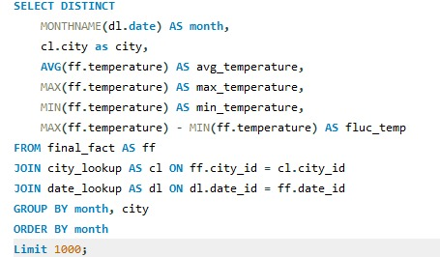
 | Albuquerque | Atlanta | Beersheba | Boston | Charlotte | Chicago | Dallas | Denver | Detroit | Eilat | Haifa | Houston
January | 36.837666667 | 36.9 | 30.971 | 32.26 | 36.13 | 39.46 | 35.57 | 39.83 | 38.067333333 | 30 | 28.14 | 33.145
February | 35.5765 | 36.115 | 34.048 | 45.37 | 44.041666667 | 43.186 | 39.22 | 47.25 | 47.766666667 | 28.73 | 26.4 | 32.278333333
March | 34.885333333 | 33.78 | 28.884 | 36.81 | 36 | 46.034 | 42.849666667 | 48.591333333 | 44.218 | 29.62 | 30.53 | 34.24
April | 32.002666667 | 30.16 | 31.686 | 36.26 | 32.05 | 32.2 | 29.2 | 39.17 | 34.64 | 32 | 28.91 | 27.86
May | 36.97 | 26.12 | 29.442 | 32.23 | 26.35 | 30.3 | 29.75 | 37.276 | 30.09 | 33.62 | 30.56 | 24.89
June | 32.63 | 21.47 | 28.429 | 26.87 | 25.13 | 29.49 | 23.598666667 | 32.72 | 27.304 | 32.547 | 27.15 | 23.76
July | 27.11 | 22.68 | 27.095 | 22.93 | 22.01 | 22.76 | 21.846 | 28.796 | 23.577 | 32.254 | 23.25 | 17.89
August | 26.22 | 20.35 | 26.099 | 24.61 | 20.62 | 23.87 | 23.436 | 29.516 | 23.61 | 32.382 | 25 | 19.24
September | 33.998 | 24.35 | 24.251 | 29.75 | 25.9 | 28.33 | 28.900333333 | 36.639666667 | 29.71 | 30.389 | 32.78 | 22.8
October | 35.066 | 30.921666667 | 34.273 | 29.14 | 33.49 | 28.8 | 34.11 | 50.005 | 28.61 | 32.782 | 32.33 | 31.17
November | 33.021333333 | 37.047333333 | 36.91 | 32.25 | 35.100666667 | 36.2 | 39.353333333 | 51.422333333 | 35.477666667 | 26.882 | 24 | 32.798
December | 29.877666667 | 27.72 | 36.057 | 34.76 | 30.45 | 44.39 | 36.13 | 45.477333333 | 32.24 | 28.34 | 29.55 | 29.23
 | April | Beersheba | 290.99155005
 | April | Boston | 281.90263051
 | April | Charlotte | 289.62886867
 | April | Chicago | 282.18544276
 | April | Dallas | 291.95563333
 | April | Denver | 280.98765348
 | April | Detroit | 281.53970932
 | April | Eilat | 295.25972581
 | April | Haifa | 292.7511567
Conclusion : According to the analysis, temperature fluctuations are highest in the months of Februray, November, December, and March.
 | April | Houston | 294.03115233
 | April | Indianapolis | 285.39647201
 | April | Jacksonville | 294.3601604
 | April | Jerusalem | 292.04954471
 | April | Kansas City | 286.45018572
 | April | Las Vegas | 291.58718066
 | April | Los Angeles | 289.62718435
 | April | Miami | 297.97356676
 | April | Minneapolis | 280.38844716
 | April | Montreal | 278.84093266
 | April | Nahariyya | 292.12803382
 | April | Nashville | 289.40452024
 | April | New York | 284.06234026
 | April | Philadelphia | 284.98859155
 | April | Phoenix | 294.56634896
...

8
Identify periods of extreme weather events, such as storms or heatwaves, by analyzing the time-based data. What patterns emerge? |  |  |  |  | City_id | date_id | time_id
 |  |  |  |  | 3 | 7 | 22
 |  |  |  |  | 3 | 9 | 9
 |  |  |  |  | 3 | 19 | 19
 |  |  |  |  | 3 | 72 | 22
 | 2012 | 2013
proximity thunderstorm | 71 | 73
proximity thunderstorm with drizzle |  | 1
proximity thunderstorm with rain | 2 | 3
thunderstorm | 32 | 30
thunderstorm with heavy drizzle |  | 1
thunderstorm with heavy rain | 9 | 6
thunderstorm with light rain | 24 | 12
thunderstorm with rain | 14 | 6
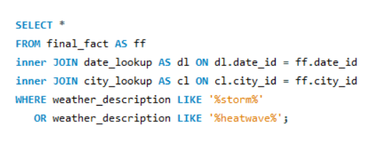
 |  |  |  |  | 3 | 72 | 23
 |  |  |  |  | 5 | 12 | 3
 |  |  |  |  | 5 | 12 | 9
 |  |  |  |  | 7 | 12 | 21
 |  |  |  |  | 7 | 12 | 22
 |  |  |  |  | 7 | 12 | 6
 |  |  |  |  | 7 | 12 | 11
 |  |  |  |  | 7 | 13 | 18
Conclusiom : Extreme weather events lead to significant consequences, including economic losses, loss of human lives, droughts, floods, and landslides.
 |  |  |  |  | 7 | 13 | 19
 |  |  |  |  | 7 | 13 | 3
 |  |  |  |  | 7 | 13 | 10
 |  |  |  |  | 10 | 14 | 18
 |  |  |  |  | 11 | 2 | 11
 |  |  |  |  | 11 | 2 | 12
 |  |  |  |  | 11 | 3 | 13
 |  |  |  |  | 11 | 27 | 3
 | Count of weather_description | Column Labels |  |  | 11 | 27 | 6
 | Row Labels | 2012 | 2013 | Grand Total | 11 | 27 | 7
 | proximity thunderstorm | 71 | 73 | 144 | 11 | 27 | 9
 | proximity thunderstorm with drizzle |  | 1 | 1 | 11 | 27 | 10
 | proximity thunderstorm with rain | 2 | 3 | 5 | 11 | 36 | 23
 | thunderstorm | 32 | 30 | 62 | 11 | 72 | 14
 |  |  | 1 | 1 | 12 | 87 | 22
 |  | 9 | 6 | 15 | 12 | 87 | 24
 |  | 24 | 12 | 36 | 12 | 87 | 1
 |  | 14 | 6 | 20 | 12 | 87 | 3
 |  |  |  |  | 12 | 87 | 4
 |  |  |  |  | 13 | 15 | 4
 |  |  |  |  | 13 | 15 | 5
 |  |  |  |  | 13 | 35 | 8
...

9
Are there any notable differences in temperature trends between northern and southern hemisphere cities over the year? How do they relate to seasons? | City | Avg_Temperature | Year | Hemisphere
 | Vancouver | 283.40704974 | 2013 | northern_hemisphere
 | Vancouver | 280.40817222 | 2012 | northern_hemisphere
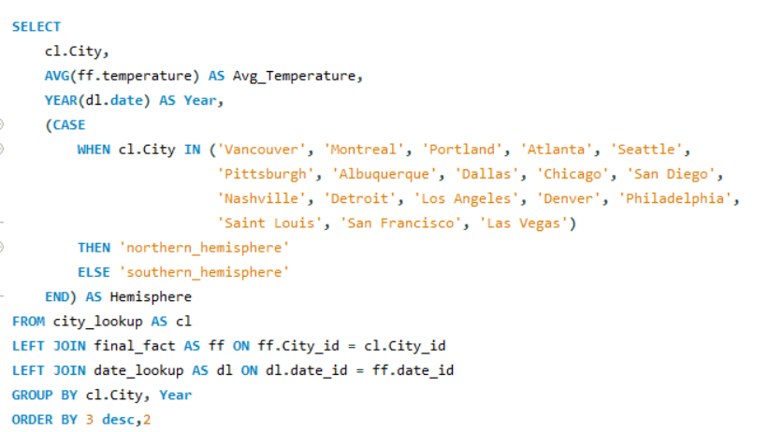
 | Montreal | 280.11289857 | 2013 | northern_hemisphere
 | northern_hemisphere | southern_hemisphere
Atlanta | 6
Houston |  | 6
Indianapolis |  | 6
Montreal | 6
Pittsburgh | 6
Portland | 6
San Antonio |  | 6
Seattle | 6
Vancouver | 2
 | Montreal | 275.8683078 | 2012 | northern_hemisphere
 | Montreal | 280.16019067 | 2014 | northern_hemisphere
 | Montreal | 280.16159745 | 2015 | northern_hemisphere
 | Montreal | 280.65824463 | 2016 | northern_hemisphere
 | Montreal | 281.87671963 | 2017 | northern_hemisphere
 | Indianapolis | 284.38500795 | 2013 | southern_hemisphere
 | Indianapolis | 280.05631751 | 2012 | southern_hemisphere
 | Indianapolis | 283.30141573 | 2014 | southern_hemisphere
 | Indianapolis | 284.73051209 | 2015 | southern_hemisphere
conclusion:The analysis shows that temperatures in the Northern and Southern Hemispheres differ. This provides insights into hemispheric climate variations
 | Indianapolis | 285.79605947 | 2016 | southern_hemisphere
 | Indianapolis | 287.02206039 | 2017 | southern_hemisphere
 | Portland | 284.25673047 | 2013 | northern_hemisphere
 | Portland | 281.82344153 | 2012 | northern_hemisphere
 | Portland | 284.98354517 | 2014 | northern_hemisphere
 | Portland | 285.35711432 | 2015 | northern_hemisphere
 | Portland | 285.50455965 | 2016 | northern_hemisphere
 | Portland | 285.71905287 | 2017 | northern_hemisphere
 | Atlanta | 288.85754836 | 2013 | northern_hemisphere
 | Atlanta | 285.12884021 | 2012 | northern_hemisphere
 | Atlanta | 288.83832757 | 2014 | northern_hemisphere
 | Atlanta | 290.2880024 | 2015 | northern_hemisphere
 | Atlanta | 290.53971779 | 2016 | northern_hemisphere
...

10
 | city_id | city_name | extreme_days | start_date
What are the consequences of prolonged periods of extreme cold or heat in specific cities? How do residents adapt to such conditions? | 6 | San Diego | 45252 | 2012-10-01
 | 7 | Las Vegas | 45252 | 2012-10-01
 | Total
Albuquerque | 45248
Atlanta | 45243
Beersheba | 44455
Boston | 45238
Charlotte | 45246
Chicago | 45243
Dallas | 45248
Denver | 45245
Detroit | 45246
Eilat | 44461
Haifa | 44455
Houston | 45250
Indianapolis | 45242
Jacksonville | 45252
Jerusalem | 44460
Kansas City | 45241
Las Vegas | 45252
Los Angeles | 45250
Miami | 44448
Minneapolis | 45230
Montreal | 45248
Nahariyya | 44456
Nashville | 45250
New York | 44449
Philadelphia | 45238
Phoenix | 45250
Pittsburgh | 45243
Portland | 45246
Saint Louis | 45239
San Antonio | 45252
San Diego | 45252
San Francisco | 44460
Seattle | 45243
Tel Aviv District | 44460
Toronto | 45247
Vancouver | 44451
 | 11 | San Antonio | 45252 | 2012-10-01
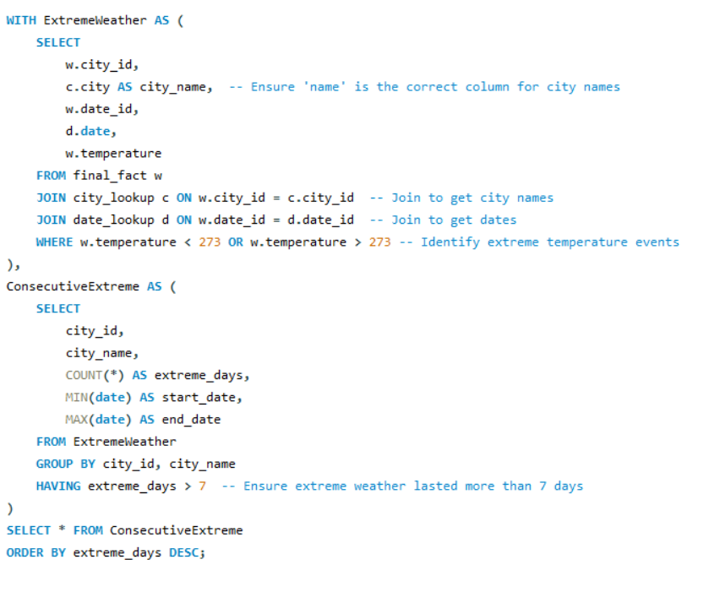
 | 22 | Jacksonville | 45252 | 2012-10-01
 | 18 | Nashville | 45250 | 2012-10-01
 | 5 | Los Angeles | 45250 | 2012-10-01
 | 8 | Phoenix | 45250 | 2012-10-01
 | 13 | Houston | 45250 | 2012-10-01
 | 9 | Albuquerque | 45248 | 2012-10-01
 | 12 | Dallas | 45248 | 2012-10-01
 | 29 | Montreal | 45248 | 2012-10-01
 | 26 | Toronto | 45247 | 2012-10-01
 | 2 | Portland | 45246 | 2012-10-01
Conclusion : The analysis of extreme cold and heat in cities highlights significant concerns, including residents' health, infrastructure growth, energy consumption, and economic impact. Residents adapt by implementing appropriate measures, making it crucial for urban planning and overall well-being.
 | 21 | Detroit | 45246 | 2012-10-01
 | 23 | Charlotte | 45246 | 2012-10-01
 | 10 | Denver | 45245 | 2012-10-01
 | 4 | Seattle | 45243 | 2012-10-01
 | 17 | Chicago | 45243 | 2012-10-01
 | 20 | Atlanta | 45243 | 2012-10-01
 | 25 | Pittsburgh | 45243 | 2012-10-01
 | 19 | Indianapolis | 45242 | 2012-10-01
 | 14 | Kansas City | 45241 | 2012-10-01
 | 16 | Saint Louis | 45239 | 2012-10-01
 | 27 | Philadelphia | 45238 | 2012-10-01
 | 30 | Boston | 45238 | 2012-10-01
 | 15 | Minneapolis | 45230 | 2012-10-01
 | 33 | Eilat | 44461 | 2012-10-01
 | 3 | San Francisco | 44460 | 2012-10-01
...

11
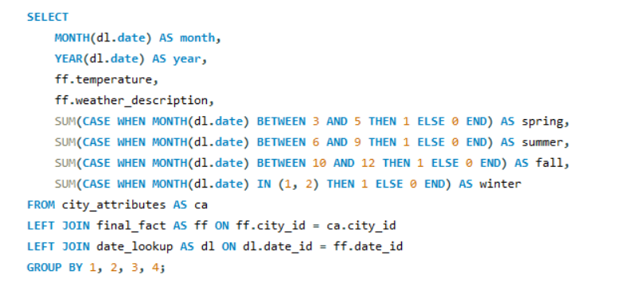
 | Max. of Count of temperature | Sum of Sum of temperature | Sum of Sum of spring | Sum of Sum of summer
Broken Clouds | 136 | 13.60% | 242 | 51
Few Clouds | 84 | 8.40% | 59 | 64
Fog | 2 | 0.20% | 1 | 1
Heavy Intensity Rain | 10 | 0.99% | 7 | 4
Light Intensity Shower Rain | 29 | 2.90% | 20 | 11
Light Rain | 103 | 10.26% | 102 | 67
Mist | 21 | 2.08% | 20 | 20
Moderate Rain | 13 | 1.29% | 11 | 2
Overcast Clouds | 119 | 11.88% | 281 | 29
Proximity Shower Rain | 11 | 1.10% | 6 | 5
Scattered Clouds | 113 | 11.28% | 152 | 47
Sky is Clear | 359 | 36.03% | 1077 | 492
Investigate whether temperature anomalies (unusual deviations from the norm) coincide with certain events or environmental factors in specific cities.
 | Weather_description | Count of temperature
 | Broken Clouds | 136
 | Few Clouds | 84
 | Fog | 2
 | Heavy Intensity Rain | 10 | 0.99% | 7 | 4 | Heavy Intensity Rain | 10 | 0.99% | 7
 | Light Intensity Shower Rain | 29 | 2.90% | 20 | 11 | Light Intensity Shower Rain | 29 | 2.90% | 20
 | Light Rain | 103 | 10.26% | 102 | 67 | Light Rain | 103 | 10.26% | 102
 | Mist | 21 | 2.08% | 20 | 20 | Mist | 21 | 2.08% | 20
 | Moderate Rain | 13 | 1.29% | 11 | 2 | Moderate Rain | 13 | 1.29% | 11
 | Overcast Clouds | 119 | 11.88% | 281 | 29 | Overcast Clouds | 119 | 11.88% | 281
 | Proximity Shower Rain | 11 | 1.10% | 6 | 5 | Proximity Shower Rain | 11 | 1.10% | 6
 | Scattered Clouds | 113 | 11.28% | 152 | 47 | Scattered Clouds | 113 | 11.28% | 152
 | Sky is Clear | 359 | 36.03% | 1077 | 492 | Sky is Clear | 359 | 36.03% | 1077

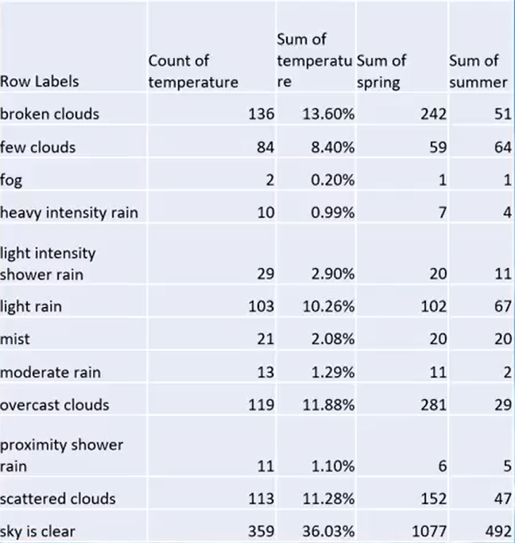

Conclusion : From the analysis, we can identify anomalies in temperature and weather patterns.

12
 | city | date | weather_description
Analyze the impact of temperature on energy consumption patterns in cities. Are there noticeable trends or correlations? | Phoenix | 2016-06-19 | sky is clear
 | Phoenix | 2017-06-21 | few clouds
 | Phoenix | 2016-06-19 | sky is clear
 | Haifa | 2015-09-22 | sky is clear
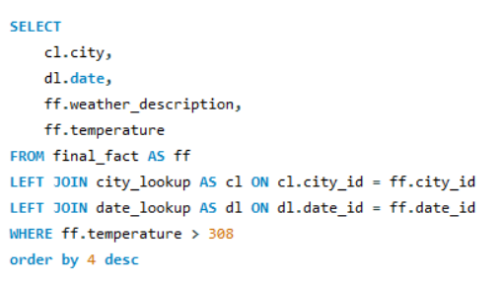
 | 2012 | 2013 | 2014 | 2015 | 2016 | 2017
Albuquerque |  | 311.948 | 310.56 |  |  | 310.54375
Atlanta |  | 310.655
Beersheba | 311.05 | 310.91 |  | 311.073625 | 310.333 | 310.432
Charlotte |  |  |  |  | 310.6525
Dallas |  | 311.5144557 | 310.71494446 | 311.30112107 | 311.10030137 | 310.85333333
Denver |  | 312.25
Eilat | 310.71529915 | 312.25112368 | 312.57681877 | 312.73237421 | 312.66425605 | 312.80524653
Haifa |  |  | 311.54714286 | 312.32235507 | 313.04462778 | 311.11272727
Houston |  | 311.06305263 |  | 310.97266667 | 310.67125 | 310.37
Indianapolis |  | 311.215
Jerusalem |  | 310.93 | 311.3725 | 311.50570627 | 311.8368
Kansas City |  | 310.66333333 |  |  | 310.41
Las Vegas |  | 312.6151134 | 312.2306078 | 312.13767264 | 312.72976392 | 312.71555041
Los Angeles |  | 310.916 | 310.24 |  | 312.36846154 | 310.9225
Nahariyya |  |  | 311.45888889 | 311.15 | 311.81666667 | 311.075
New York |  | 310.24
Phoenix | 311.17636364 | 312.77795579 | 312.32110271 | 312.46431699 | 313.36356415 | 312.93247951
Portland |  |  |  | 311.19907448 | 310.495 | 311.65655556
Saint Louis |  |  |  |  |  | 310.73
San Antonio |  | 311.15338542 | 310.89375 | 310.7162963 | 310.44444444 | 311.189
San Diego |  |  |  |  | 311.8175 | 311.12666667
San Francisco |  |  |  |  |  | 312.237
Tel Aviv District | 311.48 | 310.88 | 311.02011727 | 312.97857143 | 311.63461538
 | Tel Aviv District | 2015-09-22 | sky is clear
 | Phoenix | 2016-06-19 | sky is clear
 | Phoenix | 2017-06-21 | scattered clouds
 | Phoenix | 2016-06-20 | sky is clear
 | Phoenix | 2017-06-21 | few clouds
 | Phoenix | 2017-06-20 | few clouds
 | Eilat | 2017-07-16 | sky is clear
 | Eilat | 2017-07-16 | sky is clear
Conclusion : A temperature above 308 Kelvin (35°C) is considered high. An increase in temperature directly affects electricity consumption. In these areas, energy demand rises significantly.
 | Phoenix | 2013-06-30 | scattered clouds
 | Haifa | 2015-09-22 | sky is clear
 | Phoenix | 2017-06-21 | sky is clear
 | Phoenix | 2016-06-19 | sky is clear
 | Phoenix | 2017-06-20 | few clouds
 | Phoenix | 2013-06-30 | scattered clouds
 | Phoenix | 2017-06-22 | few clouds
 | Phoenix | 2013-06-30 | scattered clouds
 | Phoenix | 2017-06-22 | sky is clear
 | Phoenix | 2016-06-20 | few clouds
 | Phoenix | 2016-06-20 | few clouds
 | Phoenix | 2017-06-22 | sky is clear
 | Phoenix | 2017-06-21 | sky is clear
 | Eilat | 2014-06-28 | sky is clear
...

13
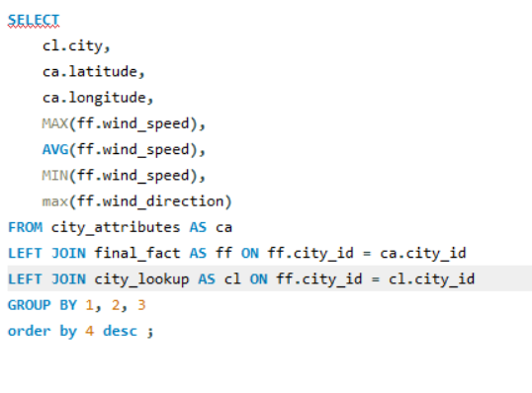
How do specific wind patterns impact air quality and pollution dispersion in urban areas? Analyze wind direction data for insights. | Row Labels | Max. of MAX(ff.wind_speed) | Max. of max(ff.wind_direction)
 | Albuquerque | 22 | 360
 | Atlanta | 20 | 360
 | Max. of MAX(ff.wind_speed) | Max. of max(ff.wind_direction)
Albuquerque | 22 | 360
Atlanta | 20 | 360
Beersheba | 14 | 359
Boston | 20 | 360
Charlotte | 13 | 360
Chicago | 25 | 360
Dallas | 50 | 360
Denver | 22 | 360
Detroit | 17 | 360
Eilat | 44 | 360
Haifa | 19 | 360
Houston | 15 | 360
Indianapolis | 18 | 360
Jacksonville | 20 | 360
Jerusalem | 49 | 360
Kansas City | 15 | 360
Las Vegas | 19 | 360
Los Angeles | 17 | 360
Miami | 28 | 360
Minneapolis | 16 | 360
Montreal | 24 | 360
Nahariyya | 17 | 360
Nashville | 18 | 360
New York | 25 | 360
Philadelphia | 31 | 360
Phoenix | 48 | 360
Pittsburgh | 36 | 360
Portland | 17 | 360
Saint Louis | 21 | 360
San Antonio | 15 | 360
San Diego | 30 | 360
San Francisco | 43 | 360
Seattle | 24 | 360
Tel Aviv District | 49 | 360
Toronto | 19 | 360
Vancouver | 25 | 360
 | Beersheba | 14 | 359
 | Boston | 20 | 360
 | Charlotte | 13 | 360
 | Chicago | 25 | 360
 | Dallas | 50 | 360
 | Denver | 22 | 360
 | Detroit | 17 | 360
 | Eilat | 44 | 360
 | Haifa | 19 | 360
 | Houston | 15 | 360
 | Indianapolis | 18 | 360
Conclusion : Stronger wind speeds efficiently disperse pollutants, while wind direction influences their movement and distribution within a specific area.
 | Jacksonville | 20 | 360
 | Jerusalem | 49 | 360
 | Kansas City | 15 | 360
 | Las Vegas | 19 | 360
 | Los Angeles | 17 | 360
 | Miami | 28 | 360
 | Minneapolis | 16 | 360
 | Montreal | 24 | 360
 | Nahariyya | 17 | 360
 | Nashville | 18 | 360
 | New York | 25 | 360
 | Philadelphia | 31 | 360
 | Phoenix | 48 | 360
 | Pittsburgh | 36 | 360
...

14
Identify cities prone to strong winds and the potential consequences, such as increased risk of natural disasters or challenges for transportation. |  | Column Labels
 |  | haze
 | Row Labels | Max. of max(ff.wind_speed) | Max. of temperature
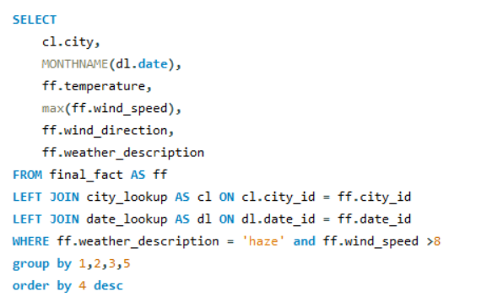
 | haze - Max. of max(ff.wind_speed) | haze - Max. of temperature
Albuquerque | 14 | 306.66
Atlanta | 11 | 295.7
Boston | 14 | 293.3
Chicago | 13 | 301.66
Dallas | 50 | 306.2
Denver | 11 | 304.6
Detroit | 10 | 291.43
Eilat | 12 | 314.17
Haifa | 10 | 283.8
Houston | 15 | 306.05
Indianapolis | 13 | 269.82
Jacksonville | 15 | 303.49
Kansas City | 10 | 305.29
Las Vegas | 19 | 307.09
Los Angeles | 17 | 308.64
Miami | 13 | 303.59
Minneapolis | 15 | 297.7
Montreal | 14 | 273.47
Nahariyya | 10 | 283.89
Nashville | 12 | 288.94
New York | 10 | 289.58
Philadelphia | 13 | 291.6
Phoenix | 18 | 313.54
Pittsburgh | 11 | 287.56
Saint Louis | 10 | 300.72
San Antonio | 13 | 304.87
San Diego | 15 | 295.35
San Francisco | 19 | 305.08
Seattle | 11 | 291.26
Tel Aviv District | 13 | 289.51
Toronto | 19 | 274.54
Vancouver | 12 | 277.11
 | Albuquerque | 14 | 306.66
 | Atlanta | 11 | 295.7
 | Boston | 14 | 293.3
 | Chicago | 13 | 301.66
 | Dallas | 50 | 306.2
 | Denver | 11 | 304.6
 | Detroit | 10 | 291.43
 | Eilat | 12 | 314.17
 | Haifa | 10 | 283.8
Conclusion : Stronger wind speeds can lead to storms and impact natural processes. Wind speeds exceeding 8 can pose challenges for transportation.
 | Houston | 15 | 306.05
 | Indianapolis | 13 | 269.82
 | Jacksonville | 15 | 303.49
 | Kansas City | 10 | 305.29
 | Las Vegas | 19 | 307.09
 | Los Angeles | 17 | 308.64
 | Miami | 13 | 303.59
 | Minneapolis | 15 | 297.7
 | Montreal | 14 | 273.47
 | Nahariyya | 10 | 283.89
 | Nashville | 12 | 288.94
 | New York | 10 | 289.58
 | Philadelphia | 13 | 291.6
...

15
Explore whether wind speed and direction influence the frequency and severity of weather-related events (e.g., hurricanes, storms) in coastal cities. | city | MONTHNAME(dl.date) | weather_description | wind_speed
 | Vancouver | September | thunderstorm with heavy rain | 8
 | Vancouver | June | thunderstorm | 4
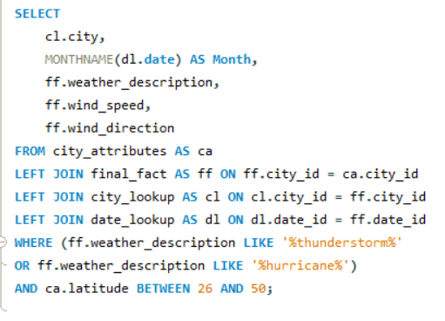
 | Average of wind_speed | Average of wind_direction
proximity thunderstorm | 3.4418512658 | 169.90268987
proximity thunderstorm with drizzle | 3.0714285714 | 78.928571429
proximity thunderstorm with rain | 3.8333333333 | 162.93939394
ragged thunderstorm | 8 | 295
thunderstorm | 3.6286890872 | 170.14653397
thunderstorm with drizzle | 3.75 | 120.75
thunderstorm with heavy drizzle | 4.5 | 340
thunderstorm with heavy rain | 3.597260274 | 182.56986301
thunderstorm with light drizzle | 3.65 | 169.65
thunderstorm with light rain | 3.7888138862 | 181.45612343
thunderstorm with rain | 3.7266666667 | 177.32444444
 | Vancouver | June | thunderstorm with light rain | 2
 | Vancouver | October | thunderstorm with light rain | 2
 | Vancouver | August | thunderstorm | 4
 | Vancouver | September | thunderstorm with light rain | 4
 | Vancouver | September | thunderstorm | 2
 | Vancouver | September | thunderstorm | 1
 | Vancouver | July | thunderstorm | 7
Conclusion : Analysis shows that coastal areas are significantly affected in July. This information can aid in improving disaster management and preparedness for hurricanes and storms.
 | Vancouver | August | thunderstorm with rain | 7
 | Vancouver | September | thunderstorm with heavy rain | 2
 | Vancouver | March | proximity thunderstorm | 5
 | Vancouver | April | ragged thunderstorm | 7
 | Vancouver | April | thunderstorm with light rain | 1
 | Vancouver | April | thunderstorm with light rain | 4
 | Vancouver | May | thunderstorm with heavy rain | 3
 | Vancouver | May | thunderstorm with light rain | 5
 | Vancouver | May | thunderstorm with rain | 2
 | Vancouver | June | thunderstorm with light rain | 6
 | Vancouver | July | proximity thunderstorm
 | Vancouver | July | thunderstorm
 | Vancouver | July | thunderstorm
...

Dashboard
Weather Analysis Dashboard

 | Max Latitude
Vancouver | 49.24966
Seattle | 47.606209
Portland | 45.523449
Montreal | 45.508839
Minneapolis | 44.979969
Toronto | 43.700111
Boston | 42.358429
Detroit | 42.331429
Chicago | 41.850029
New York | 40.714272
Pittsburgh | 40.44062
Philadelphia | 39.952339
Indianapolis | 39.768379
Denver | 39.739151
Kansas City | 39.099731
Saint Louis | 38.62727
San Francisco | 37.774929
Las Vegas | 36.174969
Nashville | 36.16589
Charlotte | 35.227089
Albuquerque | 35.084492
Los Angeles | 34.052231
Atlanta | 33.749001
Phoenix | 33.44838
Nahariyya | 33.005859
Haifa | 32.815559
Dallas | 32.783058
San Diego | 32.715328
Tel Aviv District | 32.083328
Jerusalem | 31.769039
Beersheba | 31.25181
Jacksonville | 30.33218
Houston | 29.763281
Eilat | 29.55805
San Antonio | 29.42412
Miami | 25.774269
Count of city_name by latitude_range
 | Total
25 - 30 | 4
30 - 35 | 11
35 - 40 | 10
40 - 45 | 7
45 - 50 | 4
lat_temp_correlation | 0.11692754439
lat_humidity_correlation | -0.43014435632
lon_temp_correlation | 0.067134932268
lon_humidity_correlation | 0.20575534313

 | Albuquerque | Atlanta | Boston | Charlotte | Chicago | Dallas | Denver | Detroit | Haifa | Houston | Indianapolis | Jacksonville
Autumn | 2 | 2 | 3 | 4 | 5 | 4 |  | 3 | 1 | 6 | 1 | 4
Spring | 1 | 2 | 1 | 3 | 4 | 6 | 3 | 3 |  | 4 | 3 | 3
Summer | 1 | 3 | 5 | 6 | 6 | 4 | 5 | 3 |  | 5 | 6 | 2
Winter |  | 4 | 2 | 4 | 3 | 4 | 2 |  | 1 | 4 | 1 | 3
 | co_relation
 | 0.0771615215
 | Average of Wind_direction | Average of Avg_temp
Nahariyya | 208.35686275 | 294.18407843
Albuquerque | 127 | 296.29
Atlanta | 189.78125 | 292.91828125
Boston | 146.5 | 293.2
Charlotte | 222.54761905 | 292.77071429
Dallas | 159.01081081 | 294.27297297
Denver | 118 | 293.9
Indianapolis | 223 | 291.89
Kansas City | 152 | 292.83769231
Las Vegas | 149.4171123 | 294.98484043
Los Angeles | 242.71851852 | 293.56822222
Nashville | 201.59090909 | 292.82822222
New York | 170.11111111 | 292.32111111
Philadelphia | 243.5 | 291.975
Phoenix | 201.35172414 | 296.50837931
Portland | 297.75 | 292.82333333
Saint Louis | 207.33333333 | 292.84933333
San Diego | 270.19480519 | 292.82818182
San Francisco | 25 | 294.25666667
Seattle | 334 | 292.5225

 | Albuquerque | Atlanta | Beersheba | Boston | Charlotte | Chicago | Dallas | Denver | Detroit | Eilat | Haifa | Houston
January | 36.837666667 | 36.9 | 30.971 | 32.26 | 36.13 | 39.46 | 35.57 | 39.83 | 38.067333333 | 30 | 28.14 | 33.145
February | 35.5765 | 36.115 | 34.048 | 45.37 | 44.041666667 | 43.186 | 39.22 | 47.25 | 47.766666667 | 28.73 | 26.4 | 32.278333333
March | 34.885333333 | 33.78 | 28.884 | 36.81 | 36 | 46.034 | 42.849666667 | 48.591333333 | 44.218 | 29.62 | 30.53 | 34.24
April | 32.002666667 | 30.16 | 31.686 | 36.26 | 32.05 | 32.2 | 29.2 | 39.17 | 34.64 | 32 | 28.91 | 27.86
May | 36.97 | 26.12 | 29.442 | 32.23 | 26.35 | 30.3 | 29.75 | 37.276 | 30.09 | 33.62 | 30.56 | 24.89
June | 32.63 | 21.47 | 28.429 | 26.87 | 25.13 | 29.49 | 23.598666667 | 32.72 | 27.304 | 32.547 | 27.15 | 23.76
July | 27.11 | 22.68 | 27.095 | 22.93 | 22.01 | 22.76 | 21.846 | 28.796 | 23.577 | 32.254 | 23.25 | 17.89
August | 26.22 | 20.35 | 26.099 | 24.61 | 20.62 | 23.87 | 23.436 | 29.516 | 23.61 | 32.382 | 25 | 19.24
September | 33.998 | 24.35 | 24.251 | 29.75 | 25.9 | 28.33 | 28.900333333 | 36.639666667 | 29.71 | 30.389 | 32.78 | 22.8
October | 35.066 | 30.921666667 | 34.273 | 29.14 | 33.49 | 28.8 | 34.11 | 50.005 | 28.61 | 32.782 | 32.33 | 31.17
November | 33.021333333 | 37.047333333 | 36.91 | 32.25 | 35.100666667 | 36.2 | 39.353333333 | 51.422333333 | 35.477666667 | 26.882 | 24 | 32.798
December | 29.877666667 | 27.72 | 36.057 | 34.76 | 30.45 | 44.39 | 36.13 | 45.477333333 | 32.24 | 28.34 | 29.55 | 29.23
 | 2012 | 2013
proximity thunderstorm | 71 | 73
proximity thunderstorm with drizzle |  | 1
proximity thunderstorm with rain | 2 | 3
thunderstorm | 32 | 30
thunderstorm with heavy drizzle |  | 1
thunderstorm with heavy rain | 9 | 6
thunderstorm with light rain | 24 | 12
thunderstorm with rain | 14 | 6
 | northern_hemisphere | southern_hemisphere
Atlanta | 6
Houston |  | 6
Indianapolis |  | 6
Montreal | 6
Pittsburgh | 6
Portland | 6
San Antonio |  | 6
Seattle | 6
Vancouver | 2

 | Total
Albuquerque | 45248
Atlanta | 45243
Beersheba | 44455
Boston | 45238
Charlotte | 45246
Chicago | 45243
Dallas | 45248
Denver | 45245
Detroit | 45246
Eilat | 44461
Haifa | 44455
Houston | 45250
Indianapolis | 45242
Jacksonville | 45252
Jerusalem | 44460
Kansas City | 45241
Las Vegas | 45252
Los Angeles | 45250
Miami | 44448
Minneapolis | 45230
Montreal | 45248
Nahariyya | 44456
Nashville | 45250
New York | 44449
Philadelphia | 45238
Phoenix | 45250
Pittsburgh | 45243
Portland | 45246
Saint Louis | 45239
San Antonio | 45252
San Diego | 45252
San Francisco | 44460
Seattle | 45243
Tel Aviv District | 44460
Toronto | 45247
Vancouver | 44451
 | Max. of Count of temperature | Sum of Sum of temperature | Sum of Sum of spring | Sum of Sum of summer
Broken Clouds | 136 | 13.60% | 242 | 51
Few Clouds | 84 | 8.40% | 59 | 64
Fog | 2 | 0.20% | 1 | 1
Heavy Intensity Rain | 10 | 0.99% | 7 | 4
Light Intensity Shower Rain | 29 | 2.90% | 20 | 11
Light Rain | 103 | 10.26% | 102 | 67
Mist | 21 | 2.08% | 20 | 20
Moderate Rain | 13 | 1.29% | 11 | 2
Overcast Clouds | 119 | 11.88% | 281 | 29
Proximity Shower Rain | 11 | 1.10% | 6 | 5
Scattered Clouds | 113 | 11.28% | 152 | 47
Sky is Clear | 359 | 36.03% | 1077 | 492
 | 2012 | 2013 | 2014 | 2015 | 2016 | 2017
Albuquerque |  | 311.948 | 310.56 |  |  | 310.54375
Atlanta |  | 310.655
Beersheba | 311.05 | 310.91 |  | 311.073625 | 310.333 | 310.432
Charlotte |  |  |  |  | 310.6525
Dallas |  | 311.5144557 | 310.71494446 | 311.30112107 | 311.10030137 | 310.85333333
Denver |  | 312.25
Eilat | 310.71529915 | 312.25112368 | 312.57681877 | 312.73237421 | 312.66425605 | 312.80524653
Haifa |  |  | 311.54714286 | 312.32235507 | 313.04462778 | 311.11272727
Houston |  | 311.06305263 |  | 310.97266667 | 310.67125 | 310.37
Indianapolis |  | 311.215
Jerusalem |  | 310.93 | 311.3725 | 311.50570627 | 311.8368
Kansas City |  | 310.66333333 |  |  | 310.41
Las Vegas |  | 312.6151134 | 312.2306078 | 312.13767264 | 312.72976392 | 312.71555041
Los Angeles |  | 310.916 | 310.24 |  | 312.36846154 | 310.9225
Nahariyya |  |  | 311.45888889 | 311.15 | 311.81666667 | 311.075
New York |  | 310.24
Phoenix | 311.17636364 | 312.77795579 | 312.32110271 | 312.46431699 | 313.36356415 | 312.93247951
Portland |  |  |  | 311.19907448 | 310.495 | 311.65655556
Saint Louis |  |  |  |  |  | 310.73
San Antonio |  | 311.15338542 | 310.89375 | 310.7162963 | 310.44444444 | 311.189
San Diego |  |  |  |  | 311.8175 | 311.12666667
San Francisco |  |  |  |  |  | 312.237
Tel Aviv District | 311.48 | 310.88 | 311.02011727 | 312.97857143 | 311.63461538

 | Max. of MAX(ff.wind_speed) | Max. of max(ff.wind_direction)
Albuquerque | 22 | 360
Atlanta | 20 | 360
Beersheba | 14 | 359
Boston | 20 | 360
Charlotte | 13 | 360
Chicago | 25 | 360
Dallas | 50 | 360
Denver | 22 | 360
Detroit | 17 | 360
Eilat | 44 | 360
Haifa | 19 | 360
Houston | 15 | 360
Indianapolis | 18 | 360
Jacksonville | 20 | 360
Jerusalem | 49 | 360
Kansas City | 15 | 360
Las Vegas | 19 | 360
Los Angeles | 17 | 360
Miami | 28 | 360
Minneapolis | 16 | 360
Montreal | 24 | 360
Nahariyya | 17 | 360
Nashville | 18 | 360
New York | 25 | 360
Philadelphia | 31 | 360
Phoenix | 48 | 360
Pittsburgh | 36 | 360
Portland | 17 | 360
Saint Louis | 21 | 360
San Antonio | 15 | 360
San Diego | 30 | 360
San Francisco | 43 | 360
Seattle | 24 | 360
Tel Aviv District | 49 | 360
Toronto | 19 | 360
Vancouver | 25 | 360
 | haze - Max. of max(ff.wind_speed) | haze - Max. of temperature
Albuquerque | 14 | 306.66
Atlanta | 11 | 295.7
Boston | 14 | 293.3
Chicago | 13 | 301.66
Dallas | 50 | 306.2
Denver | 11 | 304.6
Detroit | 10 | 291.43
Eilat | 12 | 314.17
Haifa | 10 | 283.8
Houston | 15 | 306.05
Indianapolis | 13 | 269.82
Jacksonville | 15 | 303.49
Kansas City | 10 | 305.29
Las Vegas | 19 | 307.09
Los Angeles | 17 | 308.64
Miami | 13 | 303.59
Minneapolis | 15 | 297.7
Montreal | 14 | 273.47
Nahariyya | 10 | 283.89
Nashville | 12 | 288.94
New York | 10 | 289.58
Philadelphia | 13 | 291.6
Phoenix | 18 | 313.54
Pittsburgh | 11 | 287.56
Saint Louis | 10 | 300.72
San Antonio | 13 | 304.87
San Diego | 15 | 295.35
San Francisco | 19 | 305.08
Seattle | 11 | 291.26
Tel Aviv District | 13 | 289.51
Toronto | 19 | 274.54
Vancouver | 12 | 277.11
 | Average of wind_speed | Average of wind_direction
proximity thunderstorm | 3.4418512658 | 169.90268987
proximity thunderstorm with drizzle | 3.0714285714 | 78.928571429
proximity thunderstorm with rain | 3.8333333333 | 162.93939394
ragged thunderstorm | 8 | 295
thunderstorm | 3.6286890872 | 170.14653397
thunderstorm with drizzle | 3.75 | 120.75
thunderstorm with heavy drizzle | 4.5 | 340
thunderstorm with heavy rain | 3.597260274 | 182.56986301
thunderstorm with light drizzle | 3.65 | 169.65
thunderstorm with light rain | 3.7888138862 | 181.45612343
thunderstorm with rain | 3.7266666667 | 177.32444444

